Strategy Analysis
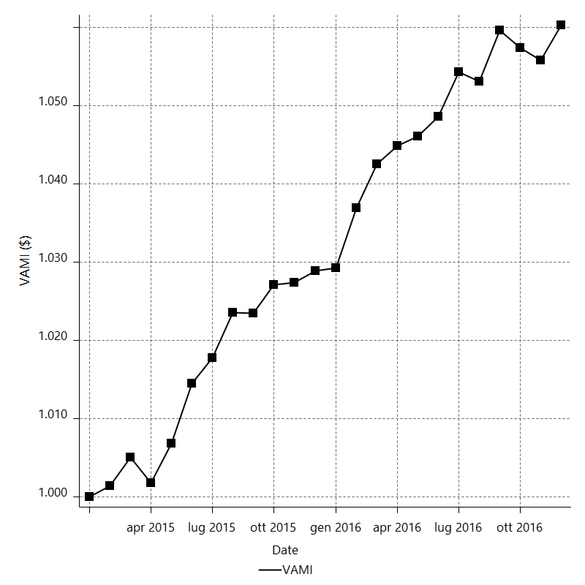
Strategy Performance Summary

 | All Trades | Long Trades | Short Trades
Net Profit | 6207.98 | 2367.5 | 3840.48
Gross Profit | 14993.98 | 7106.26 | 7887.72
Gross Loss | -8786 | -4738.76 | -4047.24
Adjusted Net Profit | 4757.3553416 | 1339.5557367 | 2817.5159748
Adjusted Gross Profit | 14036.049756 | 6440.6977711 | 7198.5667038
Adjusted Gross Loss | -9278.6944146 | -5101.1420343 | -4381.0507291
Select Net Profit | 6207.98 | 2367.5 | 3840.48
Select Gross Profit | 14993.98 | 7106.26 | 7887.72
Select Gross Loss | -8786 | -4738.76 | -4047.24
Account Size Required | 546.52 | 507.04 | 455
Return on Account | 1135.9108541 | 466.92568634 | 844.06153846
Return on Initial Capital | 6.20798 | 2.3675 | 3.84048
Max Strategy Drawdown | -553.72 | -563.04 | -488.2
Max Strategy Drawdown (%) | -0.54991475487 | -0.5568307249 | -0.48631213629
Max Close To Close Drawdown | -546.52 | -507.04 | -455
Max Close To Close Drawdown (%) | -0.54278957012 | -0.50169092123 | -0.45337916947
Return on Max Strategy Drawdown | 11.211406487 | 4.2048522307 | 7.8666120442
Profit Factor | 1.7065763715 | 1.4996032717 | 1.9489133335
Adjusted Profit Factor | 1.5127181831 | 1.2625991842 | 1.6431142091
Select Profit Factor | 1.7065763715 | 1.4996032717 | 1.9489133335
Max # Contracts Held | 20 | 20 | 20
Slippage Paid | 1303.5 | 666 | 637.5
Commission Paid | 1063 | 538 | 525
Open Position P/L | n/a | n/a | n/a
Annual Rate of Return | 3.228776988 | 1.2313392632 | 1.9974377248
Monthly Rate of Return | 0.269064749 | 0.10261160527 | 0.16645314374
Buy & Hold Return | -8356.3474388 | -7501.7020129 | -8356.3474388
Avg Monthly Return | 258.66583333
Monthly Return StdDev | 309.63886819
Total # of Trades | 563 | 285 | 278
% Profitable | 43.51687389 | 40 | 47.122302158

Performance Ratios

Upside Potential Ratio | n/a
Sharpe Ratio | 0.28230618197
Annualized Sharpe Ratio | 0.97793730093
Sortino Ratio | 0.55983435818
Fouse Ratio | 0.0025101115061
Calmar Ratio | 0.25197039667
Sterling Ratio | 0.0019987474592
Net Profit as % of Largest loss | 17737.085714
Net Profit as % of Max Trade Drawdown | 10948.818342
Net Profit as % of Max Strategy Drawdown | 1121.1406487
Select Net Profit as % of Largest loss | 17737.085714
Select Net Profit as % of Max Trade Drawdown | 10948.818342
Select Net Profit as % of Max Strategy Drawdown | 1121.1406487
Adj Net Profit as % of Largest loss | 13592.443833
Adj Net Profit as % of Max Trade Drawdown | 8390.3974279
Adj Net Profit as % of Max Strategy Drawdown | 859.16263483

Time Analysis

Trading Period | 1 Yr, 11 Mths, 8 Dys, 6 Hrs, 25 Mins
Time in the Market | 3 Mths, 15 Dys, 9 Hrs, 55 Mins
Percent in the Market | 15.010407757
Longest flat period | 3 Dys, 17 Hrs
Max Run-up Date | 2016-02-11
Max Drawdown Date | 2015-06-04
Max Strategy Drawdown Date | 3/30/15
Max Close To Close Drawdown Date | 3/27/15

Equity Curve Detailed

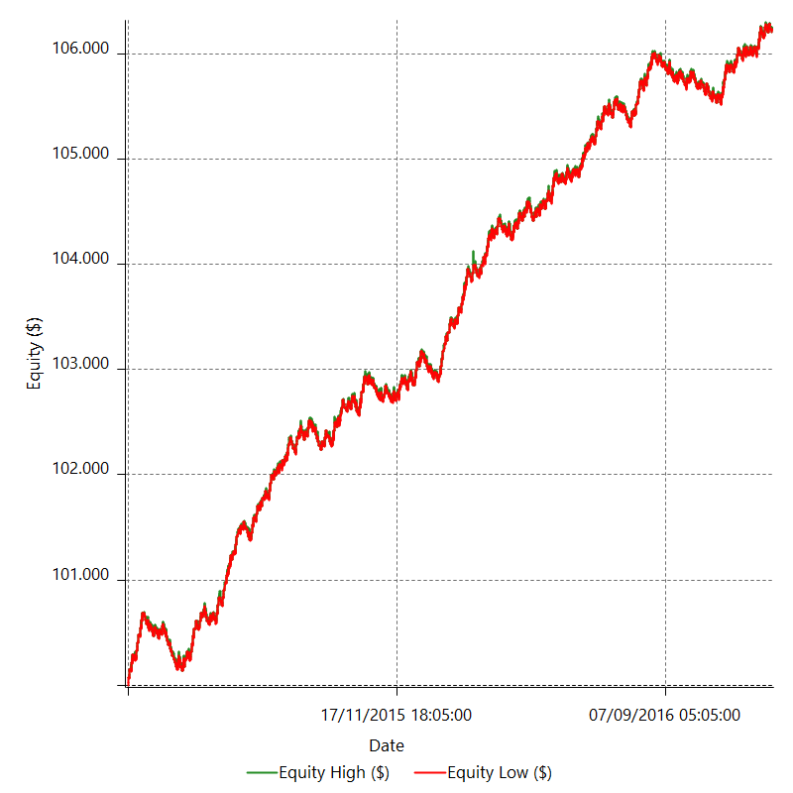

Equity Curve Detailed with DrawDown

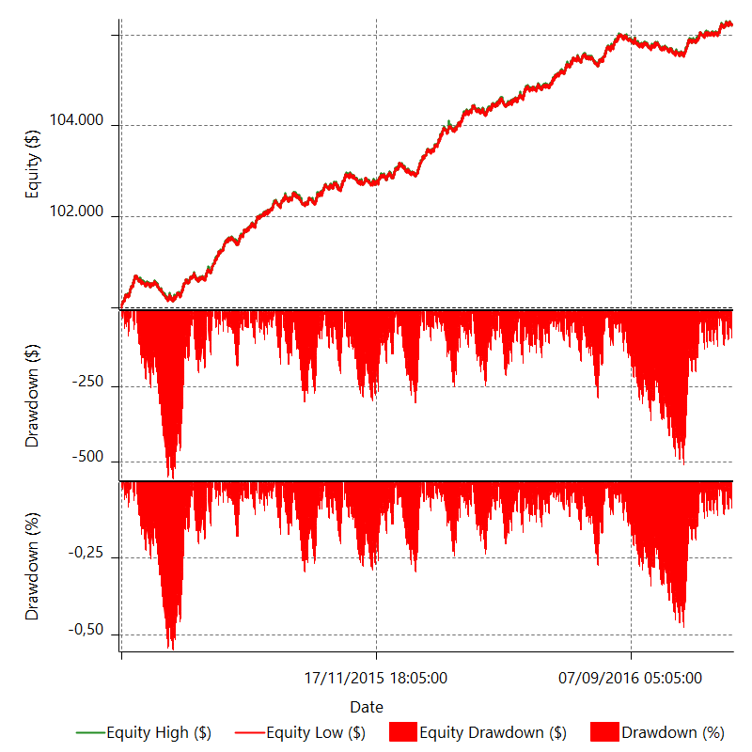

Equity Curve Detailed Long

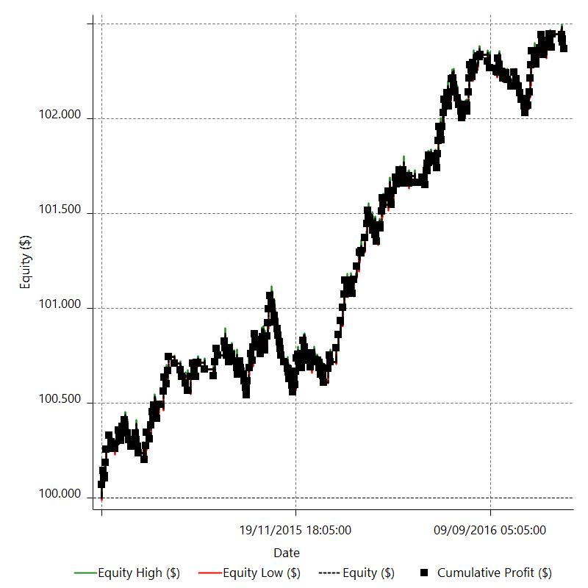

Equity Curve Detailed Short

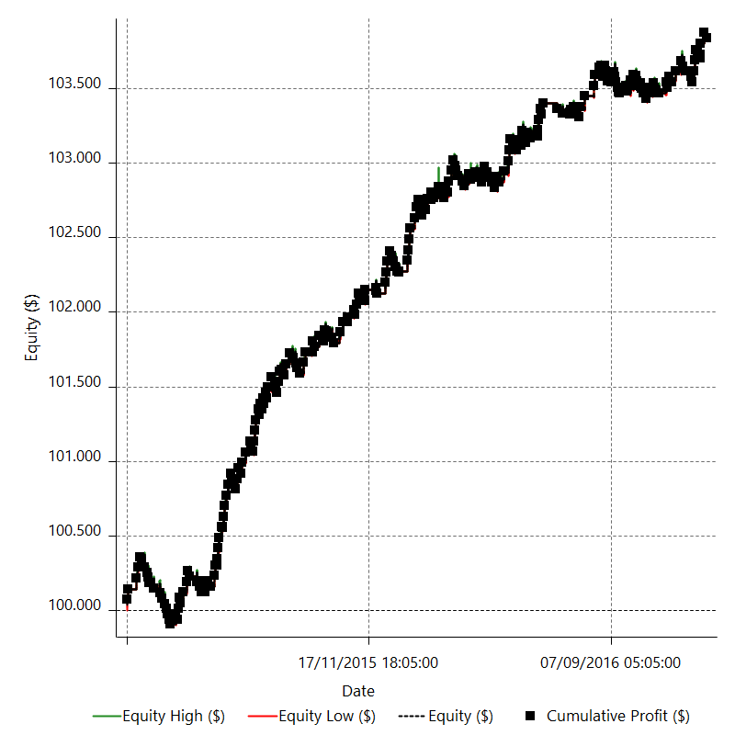

Equity Run-up & Drawdown

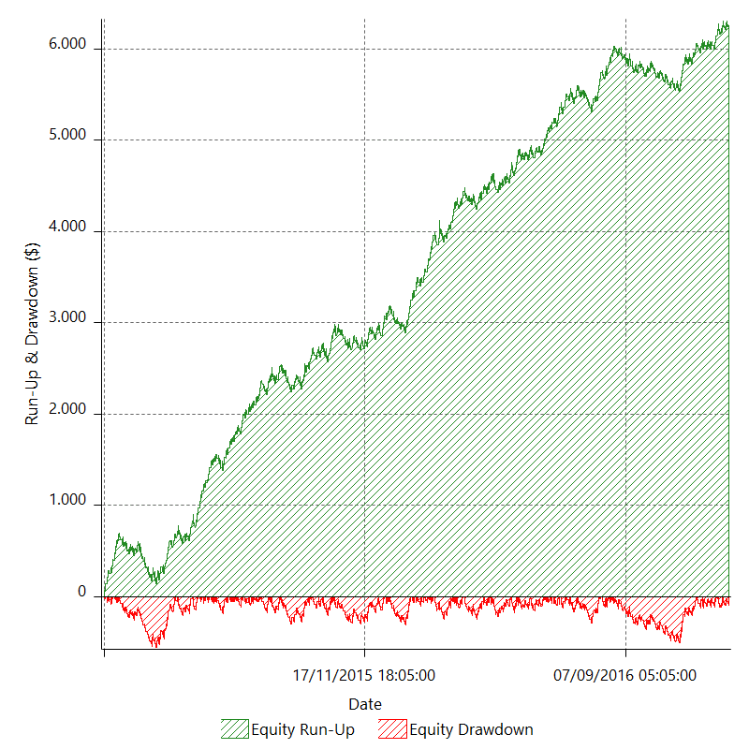

Equity Run-up & Drawdown (%)

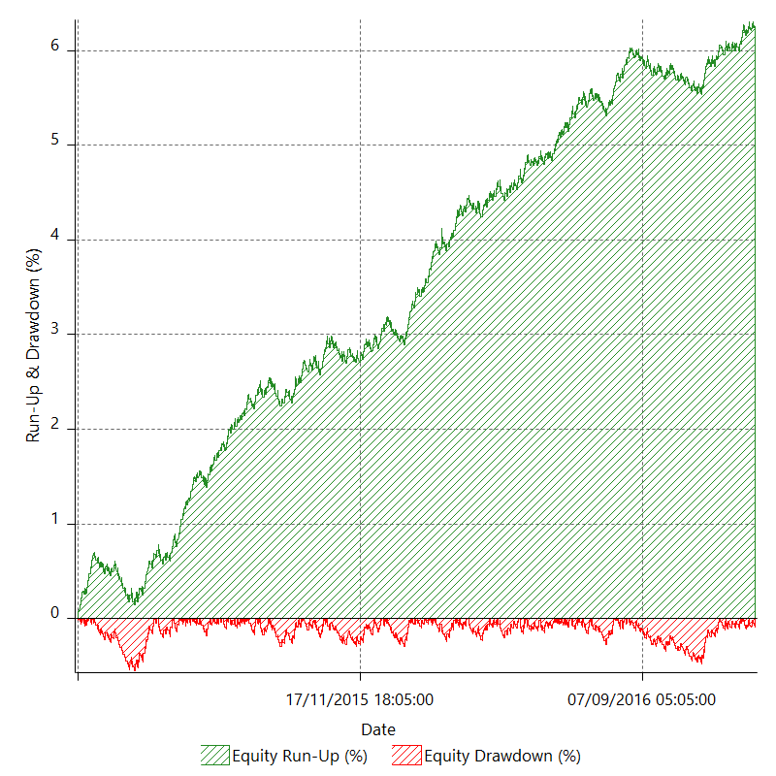

Equity Curve Close To Close

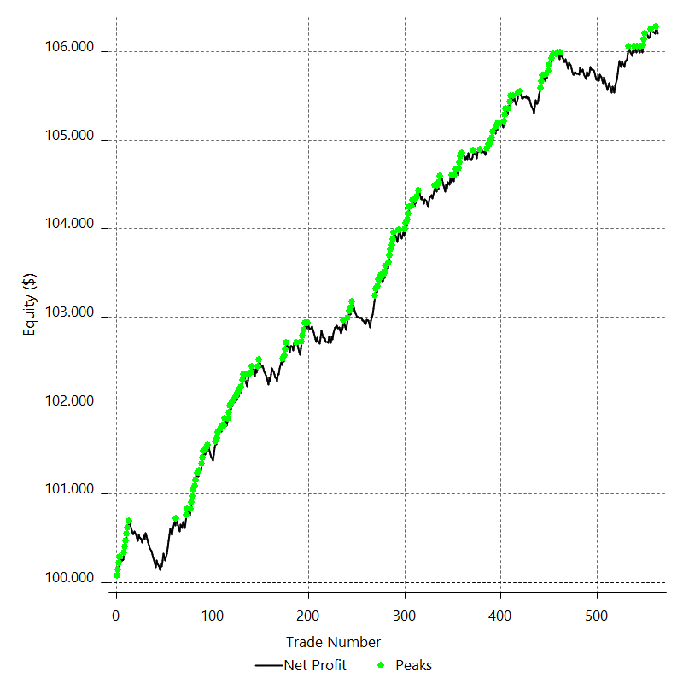

Equity Curve Close To Close With Drawdown

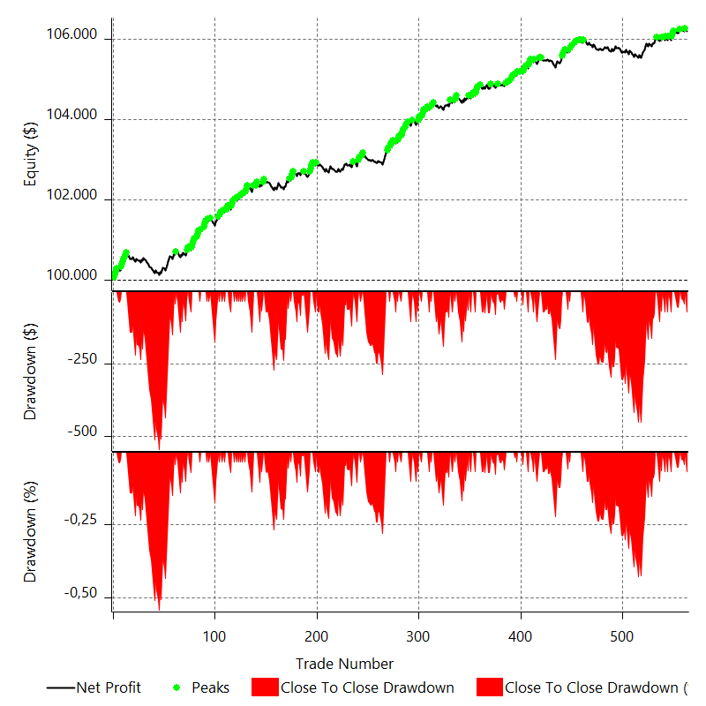

Buy & Hold Return

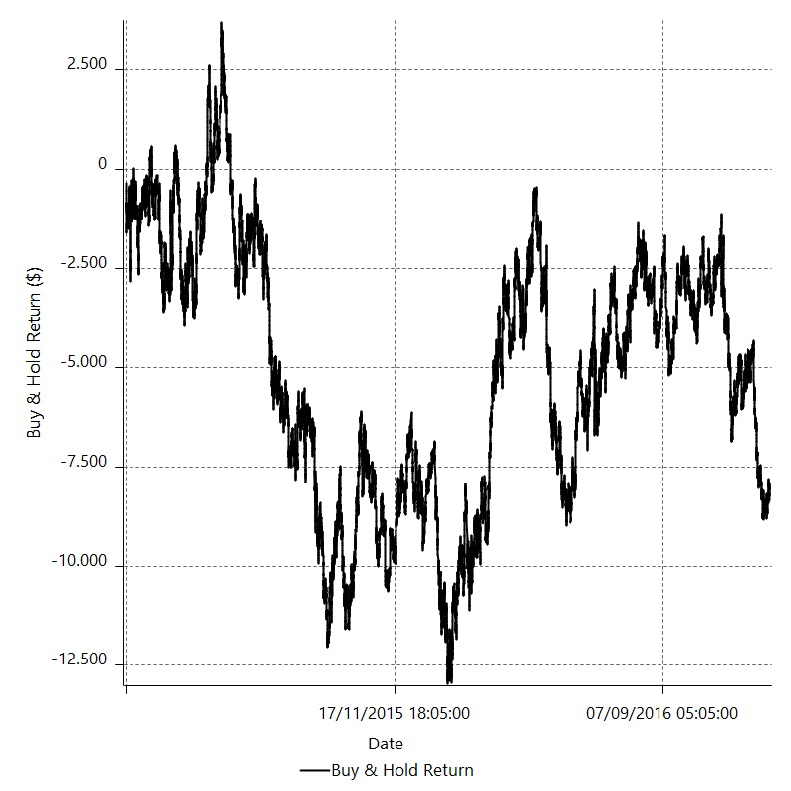

Value Added Monthly Index

Trade Analysis
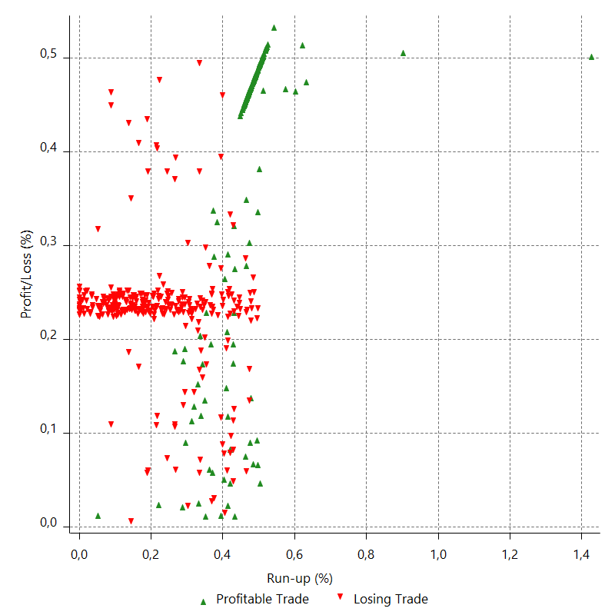
Total Trade Analysis

 | All Trades | Long Trades | Short Trades
Total # of Trades | 563 | 285 | 278
Total # of Open Trades | 0 | 0 | 0
Number Winning Trades | 245 | 114 | 131
Number Losing Trades | 318 | 171 | 147
% Profitable | 43.51687389 | 40 | 47.122302158
Avg Trade (win & loss) | 11.02660746 | 8.3070175439 | 13.814676259
Average Winning Trade | 61.199918367 | 62.335614035 | 60.211603053
Average Losing Trade | -27.628930818 | -27.712046784 | -27.532244898
Ratio Avg Win / Avg Loss | 2.215066474 | 2.2494049076 | 2.1869485498
Largest Winning Trade | 71.675 | 71.5 | 71.675
Largest Losing Trade | -35 | -35 | -35
Avg # Bars in Trades | 12.7 | 12.6 | 12.8
Avg # Bars in Winning Trades | 12.8 | 12.1 | 13.3
Avg # Bars in Losing Trades | 12.7 | 13 | 12.4
Avg # Bars Between Trades | n/a | n/a | n/a
Avg # Bars Between Winning Trades | 85.4 | 198.8 | 170.2
Avg # Bars Between Losing Trades | 62.9 | 127.6 | 151.2

Outliers

 | Total | Positive | Negative
1 Std. Deviation of Avg. Trade | 47.357501301 | 21.377443528 | 13.407461126
Avg. Trade +1 Std. Deviation | 58.384108761 | 82.577361895 | -14.221469692
Avg. Trade - 1 Std. Deviation | -36.330893841 | 39.822474839 | -41.036391943
Number of Outliers | 0 | 0 | 0
Outlier Profit/Loss

Run-up/Drawdown

 | Run-up | Drawdown
Max Value | 202.1 | -56.7
Max Value Date | 2016-02-11 | 2015-06-04
Avg Value | 43.012984014 | -19.682611012
Max Value (%) | 1.4258702677 | -0.38624045068
Max Value (%) Date | 2016-02-11 | 2015-09-02
Avg Value (%) | 0.32668428805 | -0.14580248105
1 Std. Deviation | 28.956316739 | 13.93550866
Avg. Trade +1 Std. Deviation | 71.969300753 | -5.7471023521
Avg. Trade - 1 Std. Deviation | 14.056667276 | -33.618119673

Trade Series Analysis

Z-score | 0.40611280874
Confidence Limits | 0.31534068258
Strategy ME | 11.02660746
Max Consec. Winners | 7
Max Consec. Losers | 11
Largest Consec. Profit | 436.855
Largest Consec. Loss | -385
Largest Consec. Profit (%) | 0.43576378212
Largest Consec. Loss (%) | -0.38285886182

Trade Series Statistics

Consecutive Winners | Number of Series | Avg. Gain per Series | Avg. Loss Next Trade
1 | 84 | 54.901369048 | -28.978154762
2 | 30 | 62.397666667 | -25.0545
3 | 16 | 66.375416667 | -24.4959375
4 | 5 | 59.87825 | -28.019
5 | 4 | 69.44825 | -27.03375
6 | 1 | 71.5 | -35
7 | 1 | 62.407857143 | -35
Consecutive Losers | Number of Series | Avg. Loss per Series | Avg. Gain Next Trade
1 | 61 | -22.852295082 | 52.925409836
2 | 33 | -30.633863636 | 57.356818182
3 | 23 | -30.145144928 | 58.898913043
4 | 12 | -22.954791667 | 57.989583333
5 | 7 | -32.129142857 | 55.835714286
6 | 1 | -35 | 71.5
7 | 2 | -20.053928571 | 46.8975
8 | 1 | -23.506875 | 6.715
11 | 1 | -35 | 71.5

Total Trades

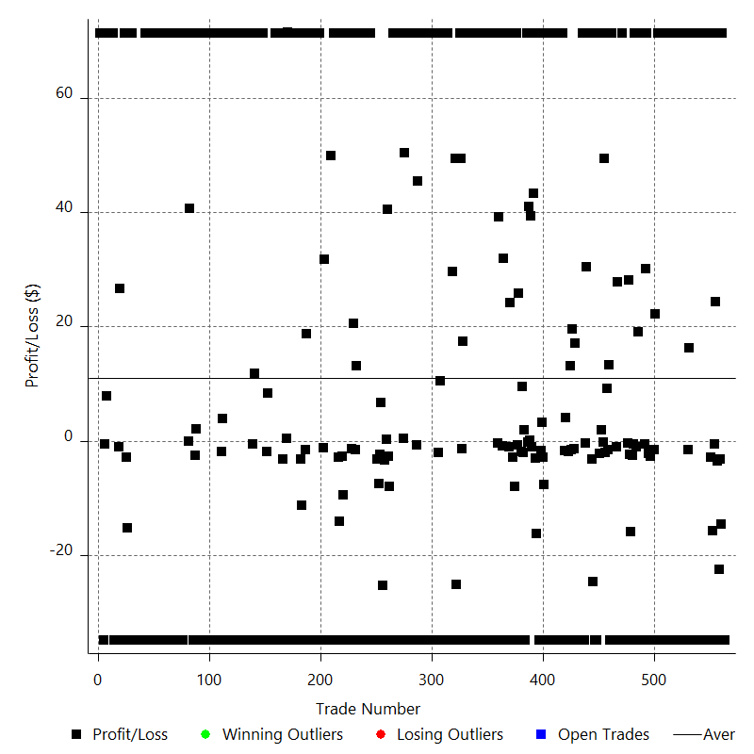

Winning Trades

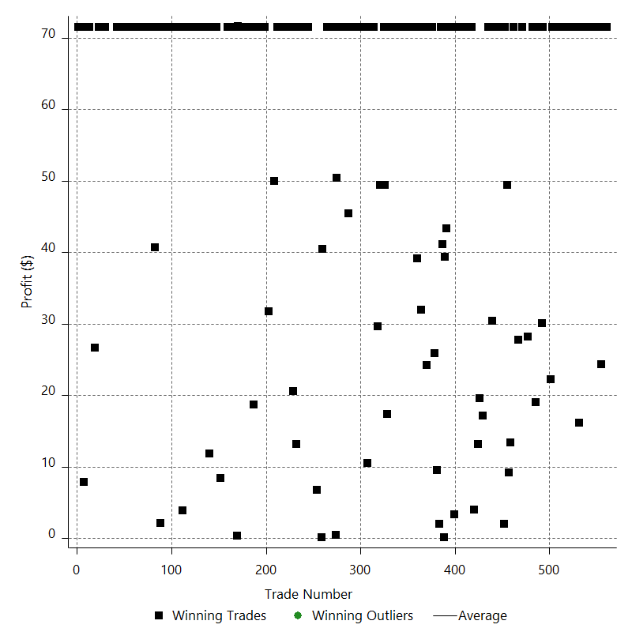

Losing Trades

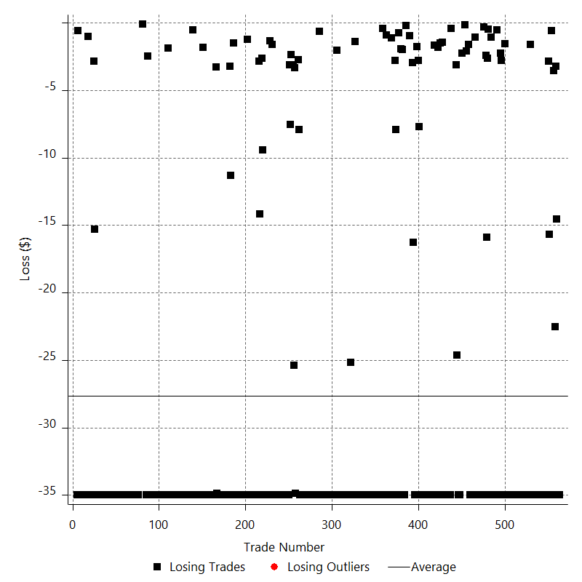

Drawdown

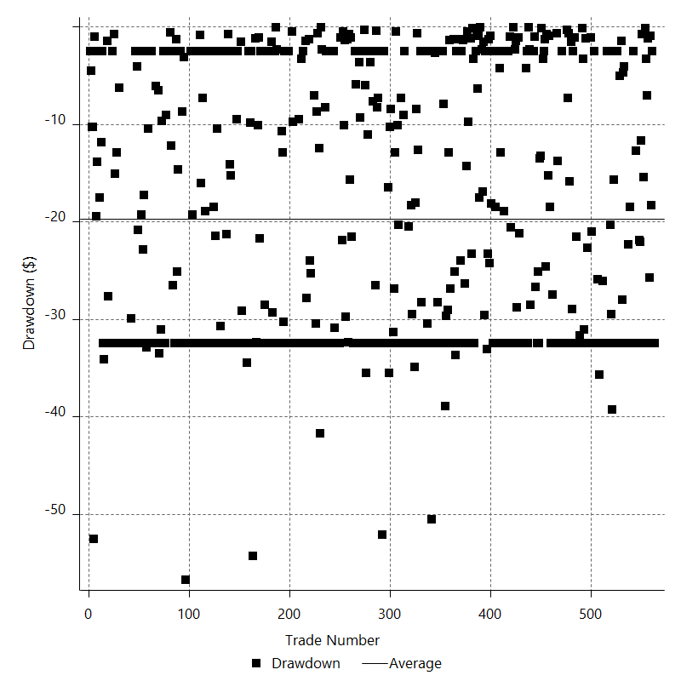

Drawdown P/L

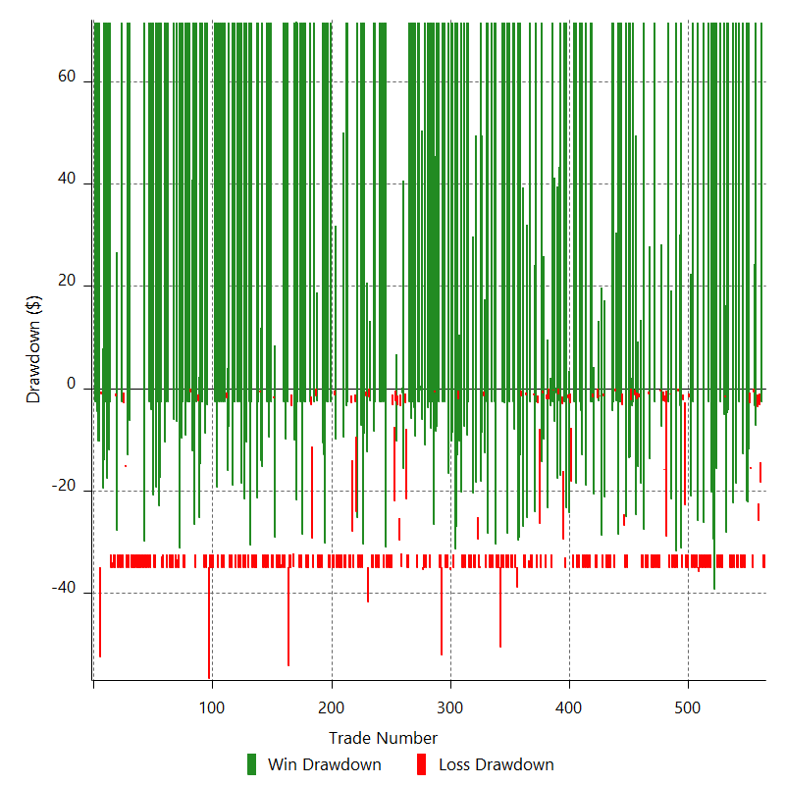

Maximum Adverse Excursion

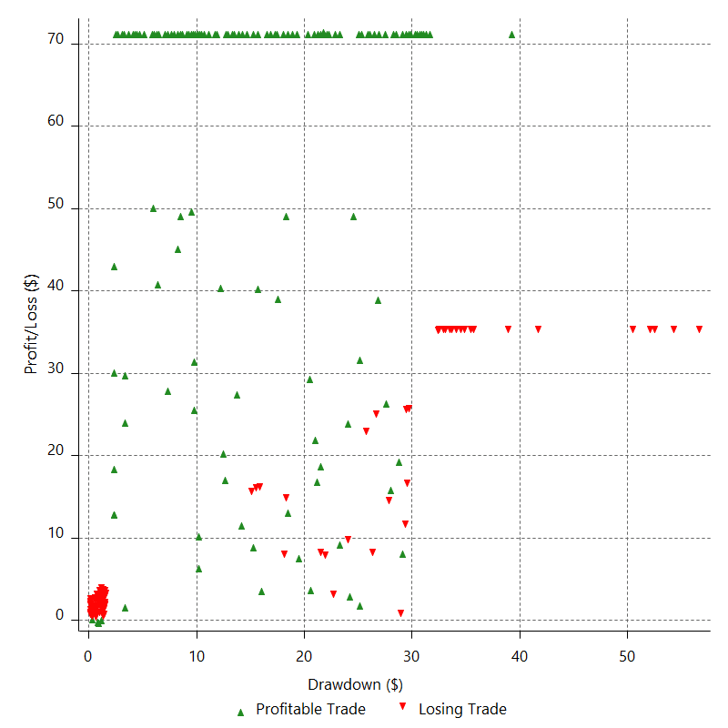

Maximum Adverse Excursion (%)

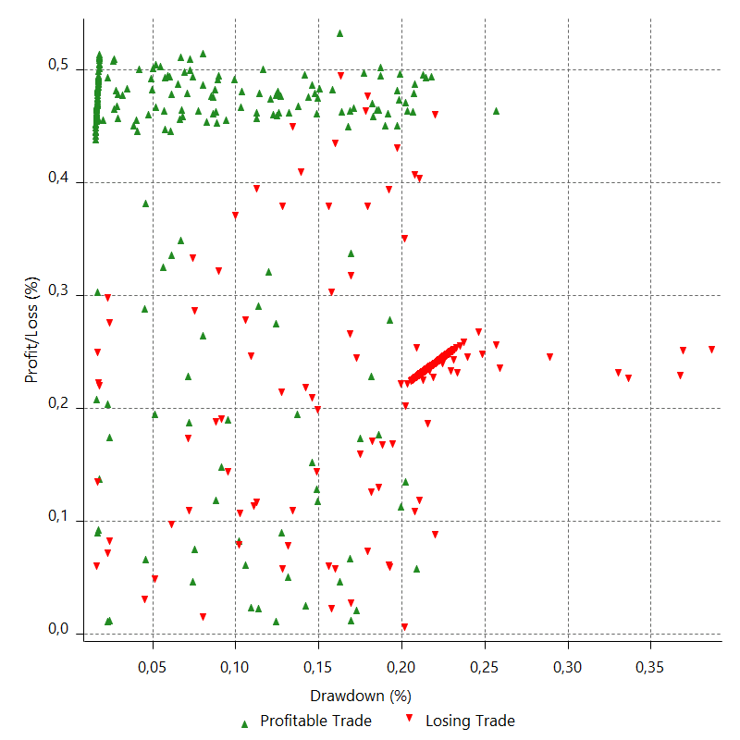

Run-up

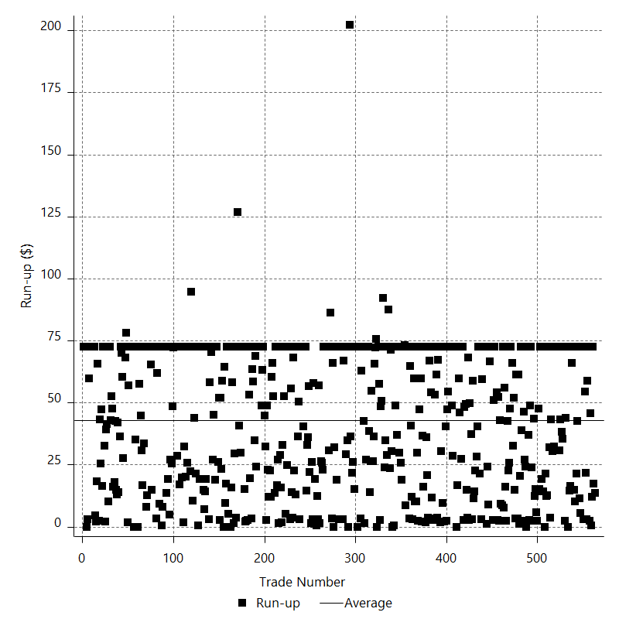

Run-up P/L

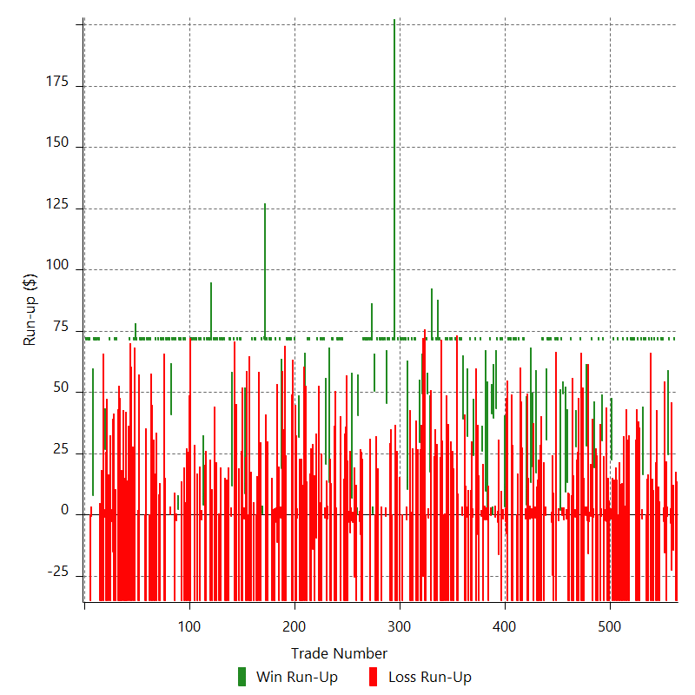

Maximum Favorable Excursion

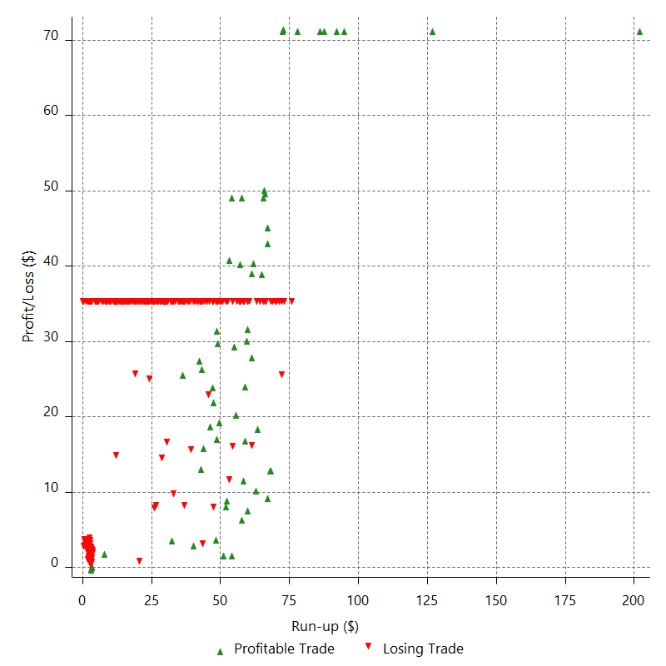

Maximum Favorable Excursion (%)

Periodical Analysis
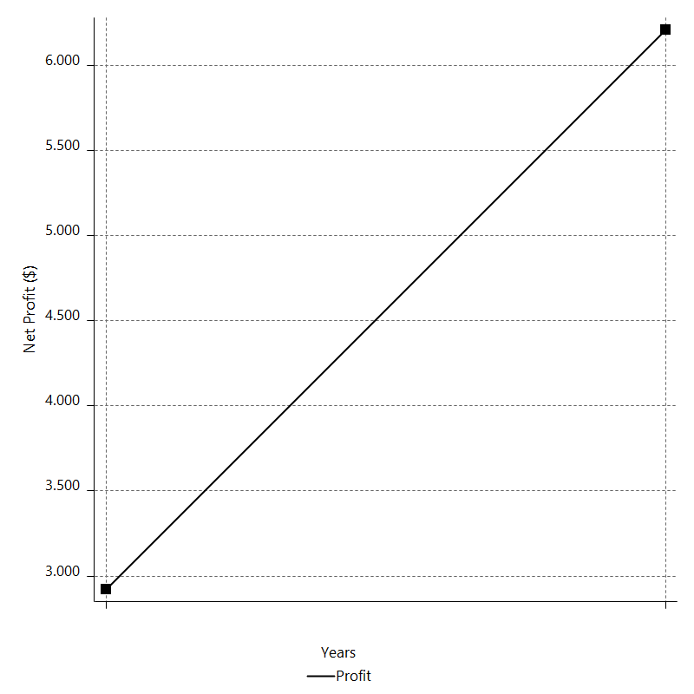
Daily Period Analysis

Period | Profit ($) | Profit (%) | Gross Profit | Gross Loss | # Trades | % Profitable
2016-12-30 | -35 | -0.032943353057 | 0 | -35 | 1 | 0
2016-12-29 | -35 | -0.032932503986 | 0 | -35 | 1 | 0
2016-12-28 | 71.5 | 0.067321692612 | 71.5 | 0 | 1 | 100
2016-12-27 | -17.78 | -0.016738172617 | 0 | -17.78 | 2 | 0
2016-12-26 | -26.09 | -0.02455521323 | 0 | -26.09 | 2 | 0
2016-12-23 | 71.5 | 0.067339211152 | 71.5 | 0 | 1 | 100
2016-12-22 | 23.81 | 0.022429457895 | 24.385 | -0.575 | 2 | 50
2016-12-21 | -35 | -0.032959776642 | 0 | -35 | 1 | 0
2016-12-20 | -18.55 | -0.017465630605 | 0 | -18.55 | 2 | 0
2016-12-19 | 71.5 | 0.067365705994 | 71.5 | 0 | 1 | 100
2016-12-16 | 71.5 | 0.06741111797 | 71.5 | 0 | 1 | 100
2016-12-15 | 71.5 | 0.067456591212 | 71.5 | 0 | 1 | 100
2016-12-14 | -35 | -0.033009808912 | 0 | -35 | 1 | 0
2016-12-13 | -35 | -0.032998916033 | 0 | -35 | 1 | 0
2016-12-12 | 71.5 | 0.067457545853 | 71.5 | 0 | 1 | 100
2016-12-09 | -35 | -0.03301027591 | 0 | -35 | 1 | 0
2016-12-08 | -35 | -0.032999382723 | 0 | -35 | 1 | 0
2016-12-07 | 71.5 | 0.067458500521 | 71.5 | 0 | 1 | 100
2016-12-06 | -35 | -0.033010742922 | 0 | -35 | 1 | 0
2016-12-05 | -35 | -0.032999849426 | 0 | -35 | 1 | 0
2016-12-02 | 71.5 | 0.067459455216 | 71.5 | 0 | 1 | 100
2016-12-01 | -35 | -0.033011209947 | 0 | -35 | 1 | 0
2016-11-30 | 71.5 | 0.067482694464 | 71.5 | 0 | 1 | 100
2016-11-29 | -35 | -0.033022578292 | 0 | -35 | 1 | 0
2016-11-28 | -35 | -0.033011676985 | 0 | -35 | 1 | 0
2016-11-25 | -35 | -0.033000782873 | 0 | -35 | 1 | 0
2016-11-24 | 71.5 | 0.067461364688 | 71.5 | 0 | 1 | 100
2016-11-23 | 71.5 | 0.067506905768 | 71.5 | 0 | 1 | 100
2016-11-22 | 14.6 | 0.013786527333 | 16.215 | -1.615 | 2 | 50
2016-11-21 | 71.5 | 0.067561827813 | 71.5 | 0 | 1 | 100
2016-11-18 | -35 | -0.033061289301 | 0 | -35 | 1 | 0
2016-11-17 | -35 | -0.033050362426 | 0 | -35 | 1 | 0
2016-11-16 | 71.5 | 0.067562785435 | 71.5 | 0 | 1 | 100
2016-11-15 | -35 | -0.033061757758 | 0 | -35 | 1 | 0
2016-11-14 | -35 | -0.033050830572 | 0 | -35 | 1 | 0
2016-11-11 | 71.5 | 0.067563743084 | 71.5 | 0 | 1 | 100
2016-11-10 | 71.5 | 0.067609422541 | 71.5 | 0 | 1 | 100
2016-11-09 | 71.5 | 0.067655163806 | 71.5 | 0 | 1 | 100
2016-11-08 | 71.5 | 0.067700967007 | 71.5 | 0 | 1 | 100
2016-11-07 | 71.5 | 0.067746832267 | 71.5 | 0 | 1 | 100
2016-11-04 | -35 | -0.033151790969 | 0 | -35 | 1 | 0
2016-11-03 | -35 | -0.033140804199 | 0 | -35 | 1 | 0
2016-11-02 | 71.5 | 0.067747795141 | 71.5 | 0 | 1 | 100
2016-11-01 | -35 | -0.033152261993 | 0 | -35 | 1 | 0
2016-10-31 | -35 | -0.033141274911 | 0 | -35 | 1 | 0
2016-10-28 | -35 | -0.033130295109 | 0 | -35 | 1 | 0
2016-10-27 | 71.5 | 0.067726297477 | 71.5 | 0 | 1 | 100
2016-10-26 | -35 | -0.033141745636 | 0 | -35 | 1 | 0
2016-10-25 | -35 | -0.033130765522 | 0 | -35 | 1 | 0
2016-10-24 | -35 | -0.033119792681 | 0 | -35 | 1 | 0
2016-10-21 | -35 | -0.033108827107 | 0 | -35 | 1 | 0
2016-10-20 | 71.5 | 0.067682382011 | 71.5 | 0 | 1 | 100
2016-10-19 | -35 | -0.033120262797 | 0 | -35 | 1 | 0
2016-10-18 | -35 | -0.033109296911 | 0 | -35 | 1 | 0
2016-10-17 | -35 | -0.033098338284 | 0 | -35 | 1 | 0
2016-10-14 | 71.5 | 0.067660925834 | 71.5 | 0 | 1 | 100
2016-10-13 | -35 | -0.033109766728 | 0 | -35 | 1 | 0
2016-10-12 | 20.73 | 0.019614288285 | 22.295 | -1.565 | 2 | 50
2016-10-11 | -35 | -0.033105297737 | 0 | -35 | 1 | 0
2016-10-10 | -35 | -0.033094341756 | 0 | -35 | 1 | 0
2016-10-07 | -35 | -0.033083393025 | 0 | -35 | 1 | 0
2016-10-06 | -5.06 | -0.00478268464 | 0 | -5.06 | 2 | 0
2016-10-05 | -35 | -0.033070870308 | 0 | -35 | 1 | 0
2016-10-04 | 71.5 | 0.067604736757 | 71.5 | 0 | 1 | 100
2016-10-03 | 29.56 | 0.027957408647 | 30.085 | -0.525 | 2 | 50
2016-09-30 | -35 | -0.033091525676 | 0 | -35 | 1 | 0
2016-09-29 | 71.5 | 0.067646989813 | 71.5 | 0 | 1 | 100
2016-09-28 | -35 | -0.033102949416 | 0 | -35 | 1 | 0
2016-09-27 | -35 | -0.03309199499 | 0 | -35 | 1 | 0
2016-09-26 | -35 | -0.033081047811 | 0 | -35 | 1 | 0
2016-09-23 | 17.99 | 0.017006550311 | 19.065 | -1.075 | 2 | 50
2016-09-22 | -35 | -0.033075730097 | 0 | -35 | 1 | 0
2016-09-21 | 71.5 | 0.06761467804 | 71.5 | 0 | 1 | 100
2016-09-20 | -3.13 | -0.0029598276681 | 0 | -3.13 | 2 | 0
2016-09-19 | -18.3 | -0.01730206859 | 0 | -18.3 | 2 | 0
2016-09-16 | 27.84 | 0.026328765709 | 28.185 | -0.345 | 2 | 50
2016-09-15 | -35 | -0.033089148026 | 0 | -35 | 1 | 0
2016-09-14 | -35 | -0.033078202731 | 0 | -35 | 1 | 0
2016-09-13 | -35 | -0.033067264674 | 0 | -35 | 1 | 0
2016-09-12 | -35 | -0.033056333849 | 0 | -35 | 1 | 0
2016-09-09 | 71.5 | 0.06757500069 | 71.5 | 0 | 1 | 100
2016-09-08 | -35 | -0.033067733299 | 0 | -35 | 1 | 0
2016-09-07 | -35 | -0.033056802164 | 0 | -35 | 1 | 0
2016-09-06 | -35 | -0.033045878254 | 0 | -35 | 1 | 0
2016-09-05 | 26.73 | 0.025243980283 | 27.805 | -1.075 | 2 | 50
2016-09-02 | -35 | -0.033043298144 | 0 | -35 | 1 | 0
2016-09-01 | -35 | -0.033032383155 | 0 | -35 | 1 | 0
2016-08-31 | -35 | -0.033021475375 | 0 | -35 | 1 | 0
2016-08-30 | 71.5 | 0.067503693585 | 71.5 | 0 | 1 | 100
2016-08-29 | -35 | -0.033032850793 | 0 | -35 | 1 | 0
2016-08-26 | -35 | -0.033021942704 | 0 | -35 | 1 | 0
2016-08-25 | 11.75 | 0.011087167024 | 13.365 | -1.615 | 2 | 50
2016-08-24 | 7.09 | 0.0066904913586 | 9.185 | -2.095 | 2 | 50
2016-08-23 | 49.28 | 0.046524796876 | 49.465 | -0.185 | 2 | 50
2016-08-22 | 71.5 | 0.067548092116 | 71.5 | 0 | 1 | 100
2016-08-19 | -0.29 | -0.00027397053211 | 1.965 | -2.255 | 2 | 50
2016-08-18 | 71.5 | 0.067593565093 | 71.5 | 0 | 1 | 100
2016-08-17 | 71.5 | 0.067639284897 | 71.5 | 0 | 1 | 100
2016-08-16 | -35 | -0.033099180275 | 0 | -35 | 1 | 0
2016-08-15 | 71.5 | 0.067662648231 | 71.5 | 0 | 1 | 100
2016-08-12 | -35 | -0.033110609301 | 0 | -35 | 1 | 0
2016-08-11 | -27.77 | -0.026264003646 | 0 | -27.77 | 2 | 0
2016-08-10 | 71.5 | 0.06766823862 | 71.5 | 0 | 1 | 100
2016-08-09 | 71.5 | 0.067714059532 | 71.5 | 0 | 1 | 100
2016-08-08 | 71.5 | 0.06775994254 | 71.5 | 0 | 1 | 100
2016-08-05 | 71.5 | 0.06780588777 | 71.5 | 0 | 1 | 100
2016-08-04 | 30.03 | 0.028486585408 | 30.465 | -0.435 | 2 | 50
2016-08-03 | -35 | -0.03319012899 | 0 | -35 | 1 | 0
2016-08-02 | 71.5 | 0.067848695322 | 71.5 | 0 | 1 | 100
2016-08-01 | 71.5 | 0.067894761031 | 71.5 | 0 | 1 | 100
2016-07-29 | -35 | -0.033224155594 | 0 | -35 | 1 | 0
2016-07-28 | -35 | -0.033213120815 | 0 | -35 | 1 | 0
2016-07-27 | -35 | -0.033202093364 | 0 | -35 | 1 | 0
2016-07-26 | -35 | -0.033191073232 | 0 | -35 | 1 | 0
2016-07-25 | -35 | -0.033180060414 | 0 | -35 | 1 | 0
2016-07-22 | 15.7 | 0.014885842653 | 17.165 | -1.465 | 2 | 50
2016-07-21 | -35 | -0.033173990757 | 0 | -35 | 1 | 0
2016-07-20 | 18.14 | 0.017196562204 | 19.635 | -1.495 | 2 | 50
2016-07-19 | 11.32 | 0.010732413253 | 13.175 | -1.855 | 2 | 50
2016-07-18 | -35 | -0.033172248893 | 0 | -35 | 1 | 0
2016-07-15 | -35 | -0.033161248561 | 0 | -35 | 1 | 0
2016-07-14 | 2.41 | 0.0022834409693 | 4.055 | -1.645 | 2 | 50
2016-07-13 | 71.5 | 0.067791165664 | 71.5 | 0 | 1 | 100
2016-07-12 | 71.5 | 0.067837153261 | 71.5 | 0 | 1 | 100
2016-07-11 | -35 | -0.033195974713 | 0 | -35 | 1 | 0
2016-07-08 | -35 | -0.033184958643 | 0 | -35 | 1 | 0
2016-07-07 | -35 | -0.033173949881 | 0 | -35 | 1 | 0
2016-07-06 | 71.5 | 0.067815598859 | 71.5 | 0 | 1 | 100
2016-07-05 | -35 | -0.03318543061 | 0 | -35 | 1 | 0
2016-07-04 | -35 | -0.033174421535 | 0 | -35 | 1 | 0
2016-07-01 | 71.5 | 0.067816563688 | 71.5 | 0 | 1 | 100
2016-06-30 | 71.5 | 0.067862585762 | 71.5 | 0 | 1 | 100
2016-06-29 | 71.5 | 0.067908670342 | 71.5 | 0 | 1 | 100
2016-06-28 | -35 | -0.033230959823 | 0 | -35 | 1 | 0
2016-06-27 | -35 | -0.033219920525 | 0 | -35 | 1 | 0
2016-06-24 | 71.5 | 0.067909637821 | 71.5 | 0 | 1 | 100
2016-06-23 | 71.5 | 0.06795578635 | 71.5 | 0 | 1 | 100
2016-06-22 | 71.5 | 0.068001997642 | 71.5 | 0 | 1 | 100
2016-06-21 | -35 | -0.033276614137 | 0 | -35 | 1 | 0
2016-06-20 | -10.53 | -0.010010504851 | 0 | -10.53 | 2 | 0
2016-06-17 | 1.51 | 0.0014355251013 | 3.295 | -1.785 | 2 | 50
2016-06-16 | 71.5 | 0.068019775013 | 71.5 | 0 | 1 | 100
2016-06-15 | -35 | -0.033285310555 | 0 | -35 | 1 | 0
2016-06-14 | 71.5 | 0.068043401984 | 71.5 | 0 | 1 | 100
2016-06-13 | -19.24 | -0.018306509001 | 0 | -19.24 | 2 | 0
2016-06-10 | 71.5 | 0.068077259215 | 71.5 | 0 | 1 | 100
2016-06-09 | 42.4 | 0.040386594965 | 43.385 | -0.985 | 2 | 50
2016-06-08 | 39.5 | 0.037638465483 | 39.5 | 0 | 2 | 100
2016-06-07 | 40.9 | 0.038987681513 | 41.105 | -0.205 | 2 | 50
2016-06-06 | 71.5 | 0.068203434725 | 71.5 | 0 | 1 | 100
2016-06-03 | -35 | -0.033375153991 | 0 | -35 | 1 | 0
2016-06-02 | -0.01 | -9.5357573737E-06 | 1.965 | -1.975 | 2 | 50
2016-06-01 | 7.65 | 0.0072953865787 | 9.565 | -1.915 | 2 | 50
2016-05-31 | -35 | -0.033366448739 | 0 | -35 | 1 | 0
2016-05-30 | 25.14 | 0.023972388843 | 25.905 | -0.765 | 2 | 50
2016-05-27 | 71.5 | 0.068225744197 | 71.5 | 0 | 1 | 100
2016-05-26 | -35 | -0.033386067422 | 0 | -35 | 1 | 0
2016-05-25 | -10.73 | -0.010234166895 | 0 | -10.73 | 2 | 0
2016-05-24 | -35 | -0.033371510341 | 0 | -35 | 1 | 0
2016-05-23 | 71.5 | 0.068219735865 | 71.5 | 0 | 1 | 100
2016-05-20 | 23.06 | 0.02200689944 | 24.195 | -1.135 | 2 | 50
2016-05-19 | -35 | -0.033390472382 | 0 | -35 | 1 | 0
2016-05-18 | -35 | -0.033379326867 | 0 | -35 | 1 | 0
2016-05-17 | 71.5 | 0.068235725707 | 71.5 | 0 | 1 | 100
2016-05-16 | -35 | -0.033390950213 | 0 | -35 | 1 | 0
2016-05-13 | 31.09 | 0.029669504244 | 31.985 | -0.895 | 2 | 50
2016-05-12 | -35 | -0.033389704695 | 0 | -35 | 1 | 0
2016-05-11 | -35 | -0.033378559692 | 0 | -35 | 1 | 0
2016-05-10 | 38.79 | 0.037006670741 | 39.205 | -0.415 | 2 | 50
2016-05-09 | 71.5 | 0.068259424765 | 71.5 | 0 | 1 | 100
2016-05-06 | 71.5 | 0.068306050082 | 71.5 | 0 | 1 | 100
2016-05-05 | 71.5 | 0.068352739138 | 71.5 | 0 | 1 | 100
2016-05-04 | -35 | -0.033448191236 | 0 | -35 | 1 | 0
2016-05-03 | -35 | -0.033437007162 | 0 | -35 | 1 | 0
2016-05-02 | 71.5 | 0.068353719312 | 71.5 | 0 | 1 | 100
2016-04-29 | 71.5 | 0.06840047358 | 71.5 | 0 | 1 | 100
2016-04-28 | -35 | -0.033471542112 | 0 | -35 | 1 | 0
2016-04-27 | -35 | -0.03346034242 | 0 | -35 | 1 | 0
2016-04-26 | 71.5 | 0.068401455124 | 71.5 | 0 | 1 | 100
2016-04-25 | -35 | -0.033472022267 | 0 | -35 | 1 | 0
2016-04-22 | 71.5 | 0.068425348041 | 71.5 | 0 | 1 | 100
2016-04-21 | -35 | -0.033483710271 | 0 | -35 | 1 | 0
2016-04-20 | 71.5 | 0.068449257656 | 71.5 | 0 | 1 | 100
2016-04-19 | -35 | -0.03349540644 | 0 | -35 | 1 | 0
2016-04-18 | 71.5 | 0.068473183986 | 71.5 | 0 | 1 | 100
2016-04-15 | -35 | -0.033507110783 | 0 | -35 | 1 | 0
2016-04-14 | -35 | -0.033495887279 | 0 | -35 | 1 | 0
2016-04-13 | -35 | -0.033484671292 | 0 | -35 | 1 | 0
2016-04-12 | -35 | -0.033473462813 | 0 | -35 | 1 | 0
2016-04-11 | -35 | -0.033462261835 | 0 | -35 | 1 | 0
2016-04-08 | 71.5 | 0.068405381581 | 71.5 | 0 | 1 | 100
2016-04-07 | 71.5 | 0.068452206574 | 71.5 | 0 | 1 | 100
2016-04-06 | -35 | -0.033496848999 | 0 | -35 | 1 | 0
2016-04-05 | 71.5 | 0.068476134966 | 71.5 | 0 | 1 | 100
2016-04-04 | -35 | -0.033508554351 | 0 | -35 | 1 | 0
2016-04-01 | -35 | -0.03349732988 | 0 | -35 | 1 | 0
2016-03-31 | 71.5 | 0.068477118682 | 71.5 | 0 | 1 | 100
2016-03-30 | 71.5 | 0.068524041972 | 71.5 | 0 | 1 | 100
2016-03-29 | -35 | -0.033531989614 | 0 | -35 | 1 | 0
2016-03-28 | 15.96 | 0.015292925642 | 17.355 | -1.395 | 2 | 50
2016-03-25 | 49.4 | 0.047357662901 | 49.4 | 0 | 1 | 100
2016-03-24 | 71.5 | 0.068591000784 | 71.5 | 0 | 1 | 100
2016-03-23 | -35 | -0.033564744666 | 0 | -35 | 1 | 0
2016-03-22 | -35 | -0.033553482526 | 0 | -35 | 1 | 0
2016-03-21 | -25.2 | -0.024152672493 | 0 | -25.2 | 1 | 0
2016-03-18 | 49.4 | 0.047369333515 | 49.4 | 0 | 1 | 100
2016-03-17 | -35 | -0.033550008876 | 0 | -35 | 1 | 0
2016-03-16 | -35 | -0.033538756621 | 0 | -35 | 1 | 0
2016-03-15 | 29.6 | 0.028372253163 | 29.6 | 0 | 1 | 100
2016-03-14 | -35 | -0.03353702123 | 0 | -35 | 1 | 0
2016-03-11 | -35 | -0.033525777683 | 0 | -35 | 1 | 0
2016-03-10 | -35 | -0.033514541672 | 0 | -35 | 1 | 0
2016-03-09 | 71.5 | 0.068512328099 | 71.5 | 0 | 1 | 100
2016-03-08 | 71.5 | 0.068559299671 | 71.5 | 0 | 1 | 100
2016-03-07 | -35 | -0.033549237052 | 0 | -35 | 1 | 0
2016-03-04 | 71.5 | 0.068583303006 | 71.5 | 0 | 1 | 100
2016-03-03 | -35 | -0.033560979052 | 0 | -35 | 1 | 0
2016-03-02 | -35 | -0.033549719438 | 0 | -35 | 1 | 0
2016-03-01 | 71.5 | 0.068584289804 | 71.5 | 0 | 1 | 100
2016-02-29 | 8.49 | 0.0081444481676 | 10.515 | -2.025 | 2 | 50
2016-02-26 | 71.5 | 0.068636953617 | 71.5 | 0 | 1 | 100
2016-02-25 | 71.5 | 0.068684096289 | 71.5 | 0 | 1 | 100
2016-02-24 | 71.5 | 0.068731303764 | 71.5 | 0 | 1 | 100
2016-02-23 | -35 | -0.033633378303 | 0 | -35 | 1 | 0
2016-02-22 | 71.5 | 0.068755427712 | 71.5 | 0 | 1 | 100
2016-02-19 | 71.5 | 0.068802733326 | 71.5 | 0 | 1 | 100
2016-02-18 | -35 | -0.033668320294 | 0 | -35 | 1 | 0
2016-02-17 | 71.5 | 0.068826907451 | 71.5 | 0 | 1 | 100
2016-02-16 | -35 | -0.033680145814 | 0 | -35 | 1 | 0
2016-02-15 | -35 | -0.033668806111 | 0 | -35 | 1 | 0
2016-02-12 | -35 | -0.033657474041 | 0 | -35 | 1 | 0
2016-02-11 | 71.5 | 0.0688047196 | 71.5 | 0 | 1 | 100
2016-02-10 | 71.5 | 0.068852093089 | 71.5 | 0 | 1 | 100
2016-02-09 | -35 | -0.033692466143 | 0 | -35 | 1 | 0
2016-02-08 | -35 | -0.033681118144 | 0 | -35 | 1 | 0
2016-02-05 | -35 | -0.033669777786 | 0 | -35 | 1 | 0
2016-02-04 | 71.5 | 0.068829888999 | 71.5 | 0 | 1 | 100
2016-02-03 | 71.5 | 0.068877297166 | 71.5 | 0 | 1 | 100
2016-02-02 | 44.81 | 0.043184958643 | 45.475 | -0.665 | 2 | 50
2016-02-01 | 71.5 | 0.068954556343 | 71.5 | 0 | 1 | 100
2016-01-29 | 71.5 | 0.069002136461 | 71.5 | 0 | 1 | 100
2016-01-28 | 71.5 | 0.069049782286 | 71.5 | 0 | 1 | 100
2016-01-27 | -35 | -0.033789171787 | 0 | -35 | 1 | 0
2016-01-26 | 71.5 | 0.069074130357 | 71.5 | 0 | 1 | 100
2016-01-25 | 71.5 | 0.069121875691 | 71.5 | 0 | 1 | 100
2016-01-22 | -35 | -0.033824438408 | 0 | -35 | 1 | 0
2016-01-21 | 71.5 | 0.06914627464 | 71.5 | 0 | 1 | 100
2016-01-20 | -35 | -0.03383637387 | 0 | -35 | 1 | 0
2016-01-19 | -35 | -0.033824928741 | 0 | -35 | 1 | 0
2016-01-18 | 50.89 | 0.049205646437 | 50.89 | 0 | 2 | 100
2016-01-15 | 71.5 | 0.069181325609 | 71.5 | 0 | 1 | 100
2016-01-14 | 71.5 | 0.069229219301 | 71.5 | 0 | 1 | 100
2016-01-13 | -35 | -0.033876948663 | 0 | -35 | 1 | 0
2016-01-12 | 71.5 | 0.069253694103 | 71.5 | 0 | 1 | 100
2016-01-11 | 71.5 | 0.069301688083 | 71.5 | 0 | 1 | 100
2016-01-08 | 71.5 | 0.069349748629 | 71.5 | 0 | 1 | 100
2016-01-07 | 71.5 | 0.069397875881 | 71.5 | 0 | 1 | 100
2016-01-06 | 71.5 | 0.069446069979 | 71.5 | 0 | 1 | 100
2016-01-05 | 71.5 | 0.069494331061 | 71.5 | 0 | 1 | 100
2016-01-04 | -35 | -0.034006635569 | 0 | -35 | 1 | 0
2015-12-31 | -35 | -0.033995074988 | 0 | -35 | 1 | 0
2015-12-30 | -10.66 | -0.010352856626 | 0 | -10.66 | 2 | 0
2015-12-29 | 40.72 | 0.039562392526 | 40.72 | 0 | 2 | 100
2015-12-28 | -38.24 | -0.037139096893 | 0 | -38.24 | 2 | 0
2015-12-24 | -28.51 | -0.027681552047 | 0 | -28.51 | 2 | 0
2015-12-23 | 4.32 | 0.0041946447204 | 6.715 | -2.395 | 2 | 50
2015-12-22 | -10.66 | -0.010349602987 | 0 | -10.66 | 2 | 0
2015-12-21 | -35 | -0.033969329772 | 0 | -35 | 1 | 0
2015-12-18 | -35 | -0.033957794536 | 0 | -35 | 1 | 0
2015-12-17 | -35 | -0.033946267133 | 0 | -35 | 1 | 0
2015-12-16 | -35 | -0.033934747553 | 0 | -35 | 1 | 0
2015-12-15 | -35 | -0.033923235788 | 0 | -35 | 1 | 0
2015-12-14 | 71.5 | 0.069348383193 | 71.5 | 0 | 1 | 100
2015-12-11 | 71.5 | 0.06939650855 | 71.5 | 0 | 1 | 100
2015-12-10 | -35 | -0.033958782964 | 0 | -35 | 1 | 0
2015-12-09 | 71.5 | 0.069421101801 | 71.5 | 0 | 1 | 100
2015-12-08 | 71.5 | 0.069469328174 | 71.5 | 0 | 1 | 100
2015-12-07 | 71.5 | 0.069517621599 | 71.5 | 0 | 1 | 100
2015-12-04 | -35 | -0.034018028778 | 0 | -35 | 1 | 0
2015-12-03 | -35 | -0.03400646045 | 0 | -35 | 1 | 0
2015-12-02 | -35 | -0.033994899988 | 0 | -35 | 1 | 0
2015-12-01 | 71.5 | 0.069494986253 | 71.5 | 0 | 1 | 100
2015-11-30 | 71.5 | 0.06954331537 | 71.5 | 0 | 1 | 100
2015-11-27 | -35 | -0.034030597591 | 0 | -35 | 1 | 0
2015-11-26 | -35 | -0.034019020715 | 0 | -35 | 1 | 0
2015-11-25 | 11.58 | 0.011256702988 | 13.175 | -1.595 | 2 | 50
2015-11-24 | -35 | -0.034011278529 | 0 | -35 | 1 | 0
2015-11-23 | 19.24 | 0.018699981922 | 20.585 | -1.345 | 2 | 50
2015-11-20 | 71.5 | 0.069541502661 | 71.5 | 0 | 1 | 100
2015-11-19 | 71.5 | 0.06958989652 | 71.5 | 0 | 1 | 100
2015-11-18 | -35 | -0.034053384031 | 0 | -35 | 1 | 0
2015-11-17 | 71.5 | 0.069614627055 | 71.5 | 0 | 1 | 100
2015-11-16 | -35 | -0.034065481642 | 0 | -35 | 1 | 0
2015-11-13 | -35 | -0.034053881024 | 0 | -35 | 1 | 0
2015-11-12 | 71.5 | 0.069615643755 | 71.5 | 0 | 1 | 100
2015-11-11 | -12.09 | -0.011769987 | 0 | -12.09 | 2 | 0
2015-11-10 | -35 | -0.034061970793 | 0 | -35 | 1 | 0
2015-11-09 | -17.04 | -0.016580564173 | 0 | -17.04 | 2 | 0
2015-11-06 | -35 | -0.034044728743 | 0 | -35 | 1 | 0
2015-11-05 | -35 | -0.034033142252 | 0 | -35 | 1 | 0
2015-11-04 | 71.5 | 0.069573218417 | 71.5 | 0 | 1 | 100
2015-11-03 | 71.5 | 0.069621656444 | 71.5 | 0 | 1 | 100
2015-11-02 | -35 | -0.034068920258 | 0 | -35 | 1 | 0
2015-10-30 | -35 | -0.034057317297 | 0 | -35 | 1 | 0
2015-10-29 | 50 | 0.048676993393 | 50 | 0 | 1 | 100
2015-10-28 | -35 | -0.034062289027 | 0 | -35 | 1 | 0
2015-10-27 | -35 | -0.034050690582 | 0 | -35 | 1 | 0
2015-10-26 | -35 | -0.034039100033 | 0 | -35 | 1 | 0
2015-10-23 | -35 | -0.034027517373 | 0 | -35 | 1 | 0
2015-10-22 | -35 | -0.034015942592 | 0 | -35 | 1 | 0
2015-10-21 | 30.56 | 0.029709601286 | 31.795 | -1.235 | 2 | 50
2015-10-20 | -35 | -0.034014474811 | 0 | -35 | 1 | 0
2015-10-19 | -35 | -0.0340029089 | 0 | -35 | 1 | 0
2015-10-16 | 71.5 | 0.069511370067 | 71.5 | 0 | 1 | 100
2015-10-15 | -35 | -0.034014970669 | 0 | -35 | 1 | 0
2015-10-14 | -35 | -0.034003404421 | 0 | -35 | 1 | 0
2015-10-13 | 71.5 | 0.069512383753 | 71.5 | 0 | 1 | 100
2015-10-12 | 71.5 | 0.069560737079 | 71.5 | 0 | 1 | 100
2015-10-09 | 71.5 | 0.069609157722 | 71.5 | 0 | 1 | 100
2015-10-08 | 71.5 | 0.069657645823 | 71.5 | 0 | 1 | 100
2015-10-07 | 71.5 | 0.069706201522 | 71.5 | 0 | 1 | 100
2015-10-06 | -35 | -0.034110277748 | 0 | -35 | 1 | 0
2015-10-05 | -35 | -0.034098646605 | 0 | -35 | 1 | 0
2015-10-02 | -35 | -0.034087023392 | 0 | -35 | 1 | 0
2015-10-01 | -35 | -0.034075408099 | 0 | -35 | 1 | 0
2015-09-30 | 17.16 | 0.016709477399 | 18.685 | -1.525 | 2 | 50
2015-09-29 | 71.5 | 0.069671329644 | 71.5 | 0 | 1 | 100
2015-09-28 | -35 | -0.034093219239 | 0 | -35 | 1 | 0
2015-09-25 | -14.55 | -0.014171029818 | 0 | -14.55 | 2 | 0
2015-09-24 | 71.5 | 0.069686234561 | 71.5 | 0 | 1 | 100
2015-09-23 | -35 | -0.034100510377 | 0 | -35 | 1 | 0
2015-09-22 | -35 | -0.034088885893 | 0 | -35 | 1 | 0
2015-09-21 | -35 | -0.034077269332 | 0 | -35 | 1 | 0
2015-09-18 | 71.5 | 0.069663489297 | 71.5 | 0 | 1 | 100
2015-09-17 | 71.5 | 0.069712053146 | 71.5 | 0 | 1 | 100
2015-09-16 | 71.5 | 0.069760684751 | 71.5 | 0 | 1 | 100
2015-09-15 | -35 | -0.034136929662 | 0 | -35 | 1 | 0
2015-09-14 | 71.5 | 0.069785536845 | 71.5 | 0 | 1 | 100
2015-09-11 | -35 | -0.034149086717 | 0 | -35 | 1 | 0
2015-09-10 | 71.5 | 0.069810406652 | 71.5 | 0 | 1 | 100
2015-09-09 | 72.02 | 0.070367599873 | 72.02 | 0 | 2 | 100
2015-09-08 | 71.5 | 0.069908368217 | 71.5 | 0 | 1 | 100
2015-09-07 | -38.18 | -0.037316160732 | 0 | -38.18 | 2 | 0
2015-09-04 | -35 | -0.034196411683 | 0 | -35 | 1 | 0
2015-09-03 | -35 | -0.034184721734 | 0 | -35 | 1 | 0
2015-09-02 | -35 | -0.034173039776 | 0 | -35 | 1 | 0
2015-09-01 | 71.5 | 0.069859407698 | 71.5 | 0 | 1 | 100
2015-08-31 | 71.5 | 0.069908245184 | 71.5 | 0 | 1 | 100
2015-08-28 | -35 | -0.034209112682 | 0 | -35 | 1 | 0
2015-08-27 | 71.5 | 0.069933202544 | 71.5 | 0 | 1 | 100
2015-08-26 | -35 | -0.034221321213 | 0 | -35 | 1 | 0
2015-08-25 | -35 | -0.034209614231 | 0 | -35 | 1 | 0
2015-08-24 | -35 | -0.034197915256 | 0 | -35 | 1 | 0
2015-08-21 | -35 | -0.03418622428 | 0 | -35 | 1 | 0
2015-08-20 | -35 | -0.034174541295 | 0 | -35 | 1 | 0
2015-08-19 | -35 | -0.034162866292 | 0 | -35 | 1 | 0
2015-08-18 | 6.58 | 0.0064230313897 | 8.425 | -1.845 | 2 | 50
2015-08-17 | -35 | -0.034153392056 | 0 | -35 | 1 | 0
2015-08-14 | -35 | -0.034141731497 | 0 | -35 | 1 | 0
2015-08-13 | 71.5 | 0.069795360004 | 71.5 | 0 | 1 | 100
2015-08-12 | 71.5 | 0.069844107951 | 71.5 | 0 | 1 | 100
2015-08-11 | -35 | -0.034177738301 | 0 | -35 | 1 | 0
2015-08-10 | 71.5 | 0.06986901953 | 71.5 | 0 | 1 | 100
2015-08-07 | -35 | -0.034189924444 | 0 | -35 | 1 | 0
2015-08-06 | -35 | -0.03417823893 | 0 | -35 | 1 | 0
2015-08-05 | -35 | -0.034166561401 | 0 | -35 | 1 | 0
2015-08-04 | 71.5 | 0.069846154808 | 71.5 | 0 | 1 | 100
2015-08-03 | 11.29 | 0.011030070865 | 11.845 | -0.555 | 2 | 50
2015-07-31 | 71.5 | 0.069902688614 | 71.5 | 0 | 1 | 100
2015-07-30 | 71.5 | 0.069951586654 | 71.5 | 0 | 1 | 100
2015-07-29 | -35 | -0.034230314269 | 0 | -35 | 1 | 0
2015-07-28 | -35 | -0.034218601134 | 0 | -35 | 1 | 0
2015-07-27 | -35 | -0.034206896013 | 0 | -35 | 1 | 0
2015-07-24 | -35 | -0.034195198896 | 0 | -35 | 1 | 0
2015-07-23 | 71.5 | 0.069904738906 | 71.5 | 0 | 1 | 100
2015-07-22 | 71.5 | 0.069953639815 | 71.5 | 0 | 1 | 100
2015-07-21 | 71.5 | 0.070002609188 | 71.5 | 0 | 1 | 100
2015-07-20 | -35 | -0.034255273232 | 0 | -35 | 1 | 0
2015-07-17 | 71.5 | 0.070027633982 | 71.5 | 0 | 1 | 100
2015-07-16 | -35 | -0.034267514739 | 0 | -35 | 1 | 0
2015-07-15 | 71.5 | 0.070052676674 | 71.5 | 0 | 1 | 100
2015-07-14 | -35 | -0.034279764998 | 0 | -35 | 1 | 0
2015-07-13 | 71.5 | 0.070077737283 | 71.5 | 0 | 1 | 100
2015-07-10 | -35 | -0.034292024018 | 0 | -35 | 1 | 0
2015-07-09 | 71.5 | 0.070102815829 | 71.5 | 0 | 1 | 100
2015-07-08 | -35 | -0.03430429181 | 0 | -35 | 1 | 0
2015-07-07 | 71.5 | 0.070127912331 | 71.5 | 0 | 1 | 100
2015-07-06 | -35 | -0.034316568382 | 0 | -35 | 1 | 0
2015-07-03 | 71.5 | 0.070153026809 | 71.5 | 0 | 1 | 100
2015-07-02 | 71.5 | 0.07020227583 | 71.5 | 0 | 1 | 100
2015-07-01 | 71.5 | 0.070251594048 | 71.5 | 0 | 1 | 100
2015-06-30 | -35 | -0.034377070298 | 0 | -35 | 1 | 0
2015-06-29 | -35 | -0.034365256529 | 0 | -35 | 1 | 0
2015-06-26 | 71.5 | 0.070252629438 | 71.5 | 0 | 1 | 100
2015-06-25 | 1.98 | 0.0019454952794 | 3.865 | -1.885 | 2 | 50
2015-06-24 | 71.5 | 0.070303387139 | 71.5 | 0 | 1 | 100
2015-06-23 | -35 | -0.034402406124 | 0 | -35 | 1 | 0
2015-06-22 | 71.5 | 0.070328627479 | 71.5 | 0 | 1 | 100
2015-06-19 | -35 | -0.034414753034 | 0 | -35 | 1 | 0
2015-06-18 | 71.5 | 0.07035388595 | 71.5 | 0 | 1 | 100
2015-06-17 | 71.5 | 0.07040341749 | 71.5 | 0 | 1 | 100
2015-06-16 | -35 | -0.034451338321 | 0 | -35 | 1 | 0
2015-06-15 | 71.5 | 0.070428729721 | 71.5 | 0 | 1 | 100
2015-06-12 | 71.5 | 0.070478366739 | 71.5 | 0 | 1 | 100
2015-06-11 | 71.5 | 0.070528073774 | 71.5 | 0 | 1 | 100
2015-06-10 | -35 | -0.034512316805 | 0 | -35 | 1 | 0
2015-06-09 | -35 | -0.034500409914 | 0 | -35 | 1 | 0
2015-06-08 | -35 | -0.034488511236 | 0 | -35 | 1 | 0
2015-06-05 | -35 | -0.034476620763 | 0 | -35 | 1 | 0
2015-06-04 | -35 | -0.034464738486 | 0 | -35 | 1 | 0
2015-06-03 | 71.5 | 0.070456142923 | 71.5 | 0 | 1 | 100
2015-06-02 | -35 | -0.034477130187 | 0 | -35 | 1 | 0
2015-06-01 | 71.5 | 0.070481493088 | 71.5 | 0 | 1 | 100
2015-05-29 | -35 | -0.034489530801 | 0 | -35 | 1 | 0
2015-05-28 | 71.5 | 0.070506861501 | 71.5 | 0 | 1 | 100
2015-05-27 | 71.5 | 0.070556608751 | 71.5 | 0 | 1 | 100
2015-05-26 | 71.5 | 0.070606426251 | 71.5 | 0 | 1 | 100
2015-05-25 | -0.31 | -0.00030612482704 | 2.155 | -2.465 | 2 | 50
2015-05-22 | 71.5 | 0.0706560977 | 71.5 | 0 | 1 | 100
2015-05-21 | -35 | -0.034574942571 | 0 | -35 | 1 | 0
2015-05-20 | 71.5 | 0.070681591983 | 71.5 | 0 | 1 | 100
2015-05-19 | 71.5 | 0.070731586194 | 71.5 | 0 | 1 | 100
2015-05-18 | 40.63 | 0.040209509059 | 40.725 | -0.095 | 2 | 50
2015-05-15 | 71.5 | 0.070810132286 | 71.5 | 0 | 1 | 100
2015-05-14 | 71.5 | 0.070860308564 | 71.5 | 0 | 1 | 100
2015-05-13 | 71.5 | 0.070910556003 | 71.5 | 0 | 1 | 100
2015-05-12 | 71.5 | 0.070960874754 | 71.5 | 0 | 1 | 100
2015-05-11 | -35 | -0.034724030765 | 0 | -35 | 1 | 0
2015-05-08 | -35 | -0.034711977368 | 0 | -35 | 1 | 0
2015-05-07 | 71.5 | 0.070961931157 | 71.5 | 0 | 1 | 100
2015-05-06 | 71.5 | 0.071012322873 | 71.5 | 0 | 1 | 100
2015-05-05 | 71.5 | 0.071062786208 | 71.5 | 0 | 1 | 100
2015-05-04 | -35 | -0.034773882827 | 0 | -35 | 1 | 0
2015-05-01 | -35 | -0.034761794801 | 0 | -35 | 1 | 0
2015-04-30 | 71.5 | 0.071063845647 | 71.5 | 0 | 1 | 100
2015-04-29 | -35 | -0.034774401073 | 0 | -35 | 1 | 0
2015-04-28 | 71.5 | 0.071089635081 | 71.5 | 0 | 1 | 100
2015-04-27 | -35 | -0.034787016492 | 0 | -35 | 1 | 0
2015-04-24 | -35 | -0.034774919335 | 0 | -35 | 1 | 0
2015-04-23 | -35 | -0.034762830588 | 0 | -35 | 1 | 0
2015-04-22 | -35 | -0.034750750244 | 0 | -35 | 1 | 0
2015-04-21 | 71.5 | 0.071041251121 | 71.5 | 0 | 1 | 100
2015-04-20 | -35 | -0.034763348505 | 0 | -35 | 1 | 0
2015-04-17 | 71.5 | 0.071067024155 | 71.5 | 0 | 1 | 100
2015-04-16 | 71.5 | 0.071117565293 | 71.5 | 0 | 1 | 100
2015-04-15 | -35 | -0.03480067911 | 0 | -35 | 1 | 0
2015-04-14 | -35 | -0.034788572451 | 0 | -35 | 1 | 0
2015-04-13 | 71.5 | 0.071118626366 | 71.5 | 0 | 1 | 100
2015-04-10 | 71.5 | 0.071169240953 | 71.5 | 0 | 1 | 100
2015-04-09 | 71.5 | 0.071219927635 | 71.5 | 0 | 1 | 100
2015-04-08 | 71.5 | 0.071270686566 | 71.5 | 0 | 1 | 100
2015-04-07 | 71.5 | 0.071321517901 | 71.5 | 0 | 1 | 100
2015-04-06 | -35 | -0.034900446476 | 0 | -35 | 1 | 0
2015-04-03 | -35 | -0.034888270314 | 0 | -35 | 1 | 0
2015-04-02 | 71.5 | 0.07132258507 | 71.5 | 0 | 1 | 100
2015-04-01 | 71.5 | 0.071373490488 | 71.5 | 0 | 1 | 100
2015-03-31 | -35 | -0.034925869841 | 0 | -35 | 1 | 0
2015-03-30 | 71.5 | 0.071399505196 | 71.5 | 0 | 1 | 100
2015-03-27 | -35 | -0.034938595419 | 0 | -35 | 1 | 0
2015-03-26 | -35 | -0.034926392628 | 0 | -35 | 1 | 0
2015-03-25 | -35 | -0.034914198358 | 0 | -35 | 1 | 0
2015-03-24 | 71.5 | 0.071375627968 | 71.5 | 0 | 1 | 100
2015-03-23 | -35 | -0.034926915429 | 0 | -35 | 1 | 0
2015-03-20 | -35 | -0.034914720794 | 0 | -35 | 1 | 0
2015-03-19 | -35 | -0.034902534672 | 0 | -35 | 1 | 0
2015-03-18 | -35 | -0.034890357053 | 0 | -35 | 1 | 0
2015-03-17 | -35 | -0.034878187929 | 0 | -35 | 1 | 0
2015-03-16 | -35 | -0.03486602729 | 0 | -35 | 1 | 0
2015-03-13 | -35 | -0.034853875129 | 0 | -35 | 1 | 0
2015-03-12 | -35 | -0.034841731435 | 0 | -35 | 1 | 0
2015-03-11 | -35 | -0.034829596201 | 0 | -35 | 1 | 0
2015-03-10 | -35 | -0.034817469417 | 0 | -35 | 1 | 0
2015-03-09 | -35 | -0.034805351074 | 0 | -35 | 1 | 0
2015-03-06 | 71.5 | 0.071152951479 | 71.5 | 0 | 1 | 100
2015-03-05 | -35 | -0.034817988963 | 0 | -35 | 1 | 0
2015-03-04 | 71.5 | 0.07117880564 | 71.5 | 0 | 1 | 100
2015-03-03 | -35 | -0.034830636032 | 0 | -35 | 1 | 0
2015-03-02 | -18.19 | -0.018098702903 | 0 | -18.19 | 2 | 0
2015-02-27 | -35 | -0.03481220902 | 0 | -35 | 1 | 0
2015-02-26 | 71.5 | 0.071166981228 | 71.5 | 0 | 1 | 100
2015-02-25 | -35 | -0.03482485189 | 0 | -35 | 1 | 0
2015-02-24 | -35 | -0.034812728409 | 0 | -35 | 1 | 0
2015-02-23 | -35 | -0.034800613366 | 0 | -35 | 1 | 0
2015-02-20 | 25.67 | 0.025530280434 | 26.665 | -0.995 | 2 | 50
2015-02-19 | -35 | -0.034797385265 | 0 | -35 | 1 | 0
2015-02-18 | -35 | -0.034785280897 | 0 | -35 | 1 | 0
2015-02-17 | -35 | -0.034773184947 | 0 | -35 | 1 | 0
2015-02-16 | -35 | -0.034761097406 | 0 | -35 | 1 | 0
2015-02-13 | 71.5 | 0.071062418943 | 71.5 | 0 | 1 | 100
2015-02-12 | 71.5 | 0.071112953528 | 71.5 | 0 | 1 | 100
2015-02-11 | 71.5 | 0.071163560037 | 71.5 | 0 | 1 | 100
2015-02-10 | 71.5 | 0.071214238625 | 71.5 | 0 | 1 | 100
2015-02-09 | 71.5 | 0.071264989444 | 71.5 | 0 | 1 | 100
2015-02-06 | 71.5 | 0.071315812651 | 71.5 | 0 | 1 | 100
2015-02-05 | 7.27 | 0.0072517979871 | 7.855 | -0.585 | 2 | 50
2015-02-04 | -35 | -0.03490018547 | 0 | -35 | 1 | 0
2015-02-03 | 71.5 | 0.071346960769 | 71.5 | 0 | 1 | 100
2015-02-02 | 71.5 | 0.071397901002 | 71.5 | 0 | 1 | 100
2015-01-30 | 71.5 | 0.071448914026 | 71.5 | 0 | 1 | 100
2015-01-29 | 71.5 | 0.0715 | 71.5 | 0 | 1 | 100

Daily Rolling Period Analysis

Period | Profit ($) | Profit (%) | Gross Profit | Gross Loss | # Trades | % Profitable
Today - 30/12/2016 | -35 | -0.032943353057 | 0 | -35 | 1 | 0
29/12/2016 - 30/12/2016 | -70 | -0.065865007972 | 0 | -70 | 2 | 0
28/12/2016 - 30/12/2016 | 1.5 | 0.0014123432017 | 71.5 | -70 | 3 | 33.333333333
27/12/2016 - 30/12/2016 | -16.28 | -0.015326065816 | 71.5 | -87.78 | 5 | 20
26/12/2016 - 30/12/2016 | -42.37 | -0.039877515698 | 71.5 | -113.87 | 7 | 14.285714286
25/12/2016 - 30/12/2016 | -42.37 | -0.039877515698 | 71.5 | -113.87 | 7 | 14.285714286
24/12/2016 - 30/12/2016 | -42.37 | -0.039877515698 | 71.5 | -113.87 | 7 | 14.285714286
23/12/2016 - 30/12/2016 | 29.13 | 0.02743484225 | 143 | -113.87 | 8 | 25
22/12/2016 - 30/12/2016 | 52.94 | 0.049870453631 | 167.385 | -114.445 | 10 | 30
21/12/2016 - 30/12/2016 | 17.94 | 0.016894239799 | 167.385 | -149.445 | 11 | 27.272727273
20/12/2016 - 30/12/2016 | -0.61 | -0.00057434149159 | 167.385 | -167.995 | 13 | 23.076923077
19/12/2016 - 30/12/2016 | 70.89 | 0.066790977593 | 238.885 | -167.995 | 14 | 28.571428571
18/12/2016 - 30/12/2016 | 70.89 | 0.066790977593 | 238.885 | -167.995 | 14 | 28.571428571
17/12/2016 - 30/12/2016 | 70.89 | 0.066790977593 | 238.885 | -167.995 | 14 | 28.571428571
16/12/2016 - 30/12/2016 | 142.39 | 0.13424712011 | 310.385 | -167.995 | 15 | 33.333333333
15/12/2016 - 30/12/2016 | 213.89 | 0.20179426985 | 381.885 | -167.995 | 16 | 37.5
14/12/2016 - 30/12/2016 | 178.89 | 0.16871784904 | 381.885 | -202.995 | 17 | 35.294117647
13/12/2016 - 30/12/2016 | 143.89 | 0.13566325794 | 381.885 | -237.995 | 18 | 33.333333333
12/12/2016 - 30/12/2016 | 215.39 | 0.2032123189 | 453.385 | -237.995 | 19 | 36.842105263
11/12/2016 - 30/12/2016 | 215.39 | 0.2032123189 | 453.385 | -237.995 | 19 | 36.842105263
10/12/2016 - 30/12/2016 | 215.39 | 0.2032123189 | 453.385 | -237.995 | 19 | 36.842105263
09/12/2016 - 30/12/2016 | 180.39 | 0.17013496204 | 453.385 | -272.995 | 20 | 35
08/12/2016 - 30/12/2016 | 145.39 | 0.13707943583 | 453.385 | -307.995 | 21 | 33.333333333
07/12/2016 - 30/12/2016 | 216.89 | 0.20463040808 | 524.885 | -307.995 | 22 | 36.363636364
06/12/2016 - 30/12/2016 | 181.89 | 0.17155211514 | 524.885 | -342.995 | 23 | 34.782608696
05/12/2016 - 30/12/2016 | 146.89 | 0.13849565378 | 524.885 | -377.995 | 24 | 33.333333333
04/12/2016 - 30/12/2016 | 146.89 | 0.13849565378 | 524.885 | -377.995 | 24 | 33.333333333
03/12/2016 - 30/12/2016 | 146.89 | 0.13849565378 | 524.885 | -377.995 | 24 | 33.333333333
02/12/2016 - 30/12/2016 | 218.39 | 0.20604853741 | 596.385 | -377.995 | 25 | 36
01/12/2016 - 30/12/2016 | 183.39 | 0.17296930835 | 596.385 | -412.995 | 26 | 34.615384615
30/11/2016 - 30/12/2016 | 254.89 | 0.24056872716 | 667.885 | -412.995 | 27 | 37.037037037
29/11/2016 - 30/12/2016 | 219.89 | 0.20746670687 | 667.885 | -447.995 | 28 | 35.714285714
28/11/2016 - 30/12/2016 | 184.89 | 0.17438654165 | 667.885 | -482.995 | 29 | 34.482758621
27/11/2016 - 30/12/2016 | 184.89 | 0.17438654165 | 667.885 | -482.995 | 29 | 34.482758621
26/11/2016 - 30/12/2016 | 184.89 | 0.17438654165 | 667.885 | -482.995 | 29 | 34.482758621
25/11/2016 - 30/12/2016 | 149.89 | 0.14132820985 | 667.885 | -517.995 | 30 | 33.333333333
24/11/2016 - 30/12/2016 | 221.39 | 0.20888491648 | 739.385 | -517.995 | 31 | 35.483870968
23/11/2016 - 30/12/2016 | 292.89 | 0.27653283399 | 810.885 | -517.995 | 32 | 37.5
22/11/2016 - 30/12/2016 | 307.49 | 0.2903574856 | 827.1 | -519.61 | 34 | 38.235294118
21/11/2016 - 30/12/2016 | 378.99 | 0.35811548424 | 898.6 | -519.61 | 35 | 40
20/11/2016 - 30/12/2016 | 378.99 | 0.35811548424 | 898.6 | -519.61 | 35 | 40
19/11/2016 - 30/12/2016 | 378.99 | 0.35811548424 | 898.6 | -519.61 | 35 | 40
18/11/2016 - 30/12/2016 | 343.99 | 0.32493579734 | 898.6 | -554.61 | 36 | 38.888888889
17/11/2016 - 30/12/2016 | 308.99 | 0.29177804245 | 898.6 | -589.61 | 37 | 37.837837838
16/11/2016 - 30/12/2016 | 380.49 | 0.35953796126 | 970.1 | -589.61 | 38 | 39.47368421
15/11/2016 - 30/12/2016 | 345.49 | 0.32635733393 | 970.1 | -624.61 | 39 | 38.461538461
14/11/2016 - 30/12/2016 | 310.49 | 0.29319863955 | 970.1 | -659.61 | 40 | 37.5
13/11/2016 - 30/12/2016 | 310.49 | 0.29319863955 | 970.1 | -659.61 | 40 | 37.5
12/11/2016 - 30/12/2016 | 310.49 | 0.29319863955 | 970.1 | -659.61 | 40 | 37.5
11/11/2016 - 30/12/2016 | 381.99 | 0.36096047861 | 1041.6 | -659.61 | 41 | 39.024390244
10/11/2016 - 30/12/2016 | 453.49 | 0.42881394445 | 1113.1 | -659.61 | 42 | 40.476190476
09/11/2016 - 30/12/2016 | 524.99 | 0.49675922303 | 1184.6 | -659.61 | 43 | 41.860465116
08/11/2016 - 30/12/2016 | 596.49 | 0.56479650084 | 1256.1 | -659.61 | 44 | 43.181818182
07/11/2016 - 30/12/2016 | 667.99 | 0.63292596484 | 1327.6 | -659.61 | 45 | 44.444444444
06/11/2016 - 30/12/2016 | 667.99 | 0.63292596484 | 1327.6 | -659.61 | 45 | 44.444444444
05/11/2016 - 30/12/2016 | 667.99 | 0.63292596484 | 1327.6 | -659.61 | 45 | 44.444444444
04/11/2016 - 30/12/2016 | 632.99 | 0.59956434758 | 1327.6 | -694.61 | 46 | 43.47826087
03/11/2016 - 30/12/2016 | 597.99 | 0.56622484293 | 1327.6 | -729.61 | 47 | 42.553191489
02/11/2016 - 30/12/2016 | 669.49 | 0.63435624292 | 1399.1 | -729.61 | 48 | 43.75
01/11/2016 - 30/12/2016 | 634.49 | 0.60099367748 | 1399.1 | -764.61 | 49 | 42.857142857
31/10/2016 - 30/12/2016 | 599.49 | 0.56765322561 | 1399.1 | -799.61 | 50 | 42
30/10/2016 - 30/12/2016 | 599.49 | 0.56765322561 | 1399.1 | -799.61 | 50 | 42
29/10/2016 - 30/12/2016 | 599.49 | 0.56765322561 | 1399.1 | -799.61 | 50 | 42
28/10/2016 - 30/12/2016 | 564.49 | 0.53433486531 | 1399.1 | -834.61 | 51 | 41.176470588
27/10/2016 - 30/12/2016 | 635.99 | 0.60242304801 | 1470.6 | -834.61 | 52 | 42.307692308
26/10/2016 - 30/12/2016 | 600.99 | 0.56908164886 | 1470.6 | -869.61 | 53 | 41.509433962
25/10/2016 - 30/12/2016 | 565.99 | 0.53576234223 | 1470.6 | -904.61 | 54 | 40.740740741
24/10/2016 - 30/12/2016 | 530.99 | 0.50246510617 | 1470.6 | -939.61 | 55 | 40
23/10/2016 - 30/12/2016 | 530.99 | 0.50246510617 | 1470.6 | -939.61 | 55 | 40
22/10/2016 - 30/12/2016 | 530.99 | 0.50246510617 | 1470.6 | -939.61 | 55 | 40
21/10/2016 - 30/12/2016 | 495.99 | 0.46918991876 | 1470.6 | -974.61 | 56 | 39.285714286
20/10/2016 - 30/12/2016 | 567.49 | 0.53718985968 | 1542.1 | -974.61 | 57 | 40.350877193
19/10/2016 - 30/12/2016 | 532.49 | 0.50389167819 | 1542.1 | -1009.61 | 58 | 39.655172414
18/10/2016 - 30/12/2016 | 497.49 | 0.47061554629 | 1542.1 | -1044.61 | 59 | 38.983050848
17/10/2016 - 30/12/2016 | 462.49 | 0.43736144208 | 1542.1 | -1079.61 | 60 | 38.333333333
16/10/2016 - 30/12/2016 | 462.49 | 0.43736144208 | 1542.1 | -1079.61 | 60 | 38.333333333
15/10/2016 - 30/12/2016 | 462.49 | 0.43736144208 | 1542.1 | -1079.61 | 60 | 38.333333333
14/10/2016 - 30/12/2016 | 533.99 | 0.50531829072 | 1613.6 | -1079.61 | 61 | 39.344262295
13/10/2016 - 30/12/2016 | 498.99 | 0.47204121428 | 1613.6 | -1114.61 | 62 | 38.709677419
12/10/2016 - 30/12/2016 | 519.72 | 0.49174809009 | 1635.895 | -1116.175 | 64 | 39.0625
11/10/2016 - 30/12/2016 | 484.72 | 0.45847999768 | 1635.895 | -1151.175 | 65 | 38.461538461
10/10/2016 - 30/12/2016 | 449.72 | 0.42523392499 | 1635.895 | -1186.175 | 66 | 37.878787879
09/10/2016 - 30/12/2016 | 449.72 | 0.42523392499 | 1635.895 | -1186.175 | 66 | 37.878787879
08/10/2016 - 30/12/2016 | 449.72 | 0.42523392499 | 1635.895 | -1186.175 | 66 | 37.878787879
07/10/2016 - 30/12/2016 | 414.72 | 0.39200985015 | 1635.895 | -1221.175 | 67 | 37.313432836
06/10/2016 - 30/12/2016 | 409.66 | 0.38720841692 | 1635.895 | -1226.235 | 69 | 36.231884058
05/10/2016 - 30/12/2016 | 374.66 | 0.35400949342 | 1635.895 | -1261.235 | 70 | 35.714285714
04/10/2016 - 30/12/2016 | 446.16 | 0.42185355736 | 1707.395 | -1261.235 | 71 | 36.61971831
03/10/2016 - 30/12/2016 | 475.72 | 0.44992890533 | 1737.48 | -1261.76 | 73 | 36.98630137
02/10/2016 - 30/12/2016 | 475.72 | 0.44992890533 | 1737.48 | -1261.76 | 73 | 36.98630137
01/10/2016 - 30/12/2016 | 475.72 | 0.44992890533 | 1737.48 | -1261.76 | 73 | 36.98630137
30/09/2016 - 30/12/2016 | 440.72 | 0.41668849132 | 1737.48 | -1296.76 | 74 | 36.486486487
29/09/2016 - 30/12/2016 | 512.22 | 0.48461735835 | 1808.98 | -1296.76 | 75 | 37.333333333
28/09/2016 - 30/12/2016 | 477.22 | 0.45135398629 | 1808.98 | -1331.76 | 76 | 36.842105263
27/09/2016 - 30/12/2016 | 442.22 | 0.41811262927 | 1808.98 | -1366.76 | 77 | 36.363636364
26/09/2016 - 30/12/2016 | 407.22 | 0.38489326542 | 1808.98 | -1401.76 | 78 | 35.897435897
25/09/2016 - 30/12/2016 | 407.22 | 0.38489326542 | 1808.98 | -1401.76 | 78 | 35.897435897
24/09/2016 - 30/12/2016 | 407.22 | 0.38489326542 | 1808.98 | -1401.76 | 78 | 35.897435897
23/09/2016 - 30/12/2016 | 425.21 | 0.40196527279 | 1828.045 | -1402.835 | 80 | 36.25
22/09/2016 - 30/12/2016 | 390.21 | 0.36875658975 | 1828.045 | -1437.835 | 81 | 35.802469136
21/09/2016 - 30/12/2016 | 461.71 | 0.43662060137 | 1899.545 | -1437.835 | 82 | 36.585365854
20/09/2016 - 30/12/2016 | 458.58 | 0.43364785048 | 1899.545 | -1440.965 | 84 | 35.714285714
19/09/2016 - 30/12/2016 | 440.28 | 0.41627075185 | 1899.545 | -1459.265 | 86 | 34.88372093
18/09/2016 - 30/12/2016 | 440.28 | 0.41627075185 | 1899.545 | -1459.265 | 86 | 34.88372093
17/09/2016 - 30/12/2016 | 440.28 | 0.41627075185 | 1899.545 | -1459.265 | 86 | 34.88372093
16/09/2016 - 30/12/2016 | 468.12 | 0.44270911651 | 1927.73 | -1459.61 | 88 | 35.227272727
15/09/2016 - 30/12/2016 | 433.12 | 0.4094734798 | 1927.73 | -1494.61 | 89 | 34.831460674
14/09/2016 - 30/12/2016 | 398.12 | 0.37625983061 | 1927.73 | -1529.61 | 90 | 34.444444444
13/09/2016 - 30/12/2016 | 363.12 | 0.3430681471 | 1927.73 | -1564.61 | 91 | 34.065934066
12/09/2016 - 30/12/2016 | 328.12 | 0.3098984075 | 1927.73 | -1599.61 | 92 | 33.695652174
11/09/2016 - 30/12/2016 | 328.12 | 0.3098984075 | 1927.73 | -1599.61 | 92 | 33.695652174
10/09/2016 - 30/12/2016 | 328.12 | 0.3098984075 | 1927.73 | -1599.61 | 92 | 33.695652174
09/09/2016 - 30/12/2016 | 399.62 | 0.37768282204 | 1999.23 | -1599.61 | 93 | 34.408602151
08/09/2016 - 30/12/2016 | 364.62 | 0.34449019759 | 1999.23 | -1634.61 | 94 | 34.042553192
07/09/2016 - 30/12/2016 | 329.62 | 0.31131951798 | 1999.23 | -1669.61 | 95 | 33.684210526
06/09/2016 - 30/12/2016 | 294.62 | 0.27817076146 | 1999.23 | -1704.61 | 96 | 33.333333333
05/09/2016 - 30/12/2016 | 321.35 | 0.30348496312 | 2027.035 | -1705.685 | 98 | 33.673469388
04/09/2016 - 30/12/2016 | 321.35 | 0.30348496312 | 2027.035 | -1705.685 | 98 | 33.673469388
03/09/2016 - 30/12/2016 | 321.35 | 0.30348496312 | 2027.035 | -1705.685 | 98 | 33.673469388
02/09/2016 - 30/12/2016 | 286.35 | 0.27034138353 | 2027.035 | -1740.685 | 99 | 33.333333333
01/09/2016 - 30/12/2016 | 251.35 | 0.23721970017 | 2027.035 | -1775.685 | 100 | 33
31/08/2016 - 30/12/2016 | 216.35 | 0.20411989135 | 2027.035 | -1810.685 | 101 | 32.673267327
30/08/2016 - 30/12/2016 | 287.85 | 0.2717613734 | 2098.535 | -1810.685 | 102 | 33.333333333
29/08/2016 - 30/12/2016 | 252.85 | 0.23863875208 | 2098.535 | -1845.685 | 103 | 33.009708738
28/08/2016 - 30/12/2016 | 252.85 | 0.23863875208 | 2098.535 | -1845.685 | 103 | 33.009708738
27/08/2016 - 30/12/2016 | 252.85 | 0.23863875208 | 2098.535 | -1845.685 | 103 | 33.009708738
26/08/2016 - 30/12/2016 | 217.85 | 0.20553800623 | 2098.535 | -1880.685 | 104 | 32.692307692
25/08/2016 - 30/12/2016 | 229.6 | 0.21664796159 | 2111.9 | -1882.3 | 106 | 33.018867925
24/08/2016 - 30/12/2016 | 236.69 | 0.22335294777 | 2121.085 | -1884.395 | 108 | 33.333333333
23/08/2016 - 30/12/2016 | 285.97 | 0.26998165915 | 2170.55 | -1884.58 | 110 | 33.636363636
22/08/2016 - 30/12/2016 | 357.47 | 0.33771211872 | 2242.05 | -1884.58 | 111 | 34.234234234
21/08/2016 - 30/12/2016 | 357.47 | 0.33771211872 | 2242.05 | -1884.58 | 111 | 34.234234234
20/08/2016 - 30/12/2016 | 357.47 | 0.33771211872 | 2242.05 | -1884.58 | 111 | 34.234234234
19/08/2016 - 30/12/2016 | 357.18 | 0.33743722296 | 2244.015 | -1886.835 | 113 | 34.513274336
18/08/2016 - 30/12/2016 | 428.68 | 0.4052588739 | 2315.515 | -1886.835 | 114 | 35.087719298
17/08/2016 - 30/12/2016 | 500.18 | 0.473172273 | 2387.015 | -1886.835 | 115 | 35.652173913
16/08/2016 - 30/12/2016 | 465.18 | 0.43991647658 | 2387.015 | -1921.835 | 116 | 35.344827586
15/08/2016 - 30/12/2016 | 536.68 | 0.50787678395 | 2458.515 | -1921.835 | 117 | 35.897435897
14/08/2016 - 30/12/2016 | 536.68 | 0.50787678395 | 2458.515 | -1921.835 | 117 | 35.897435897
13/08/2016 - 30/12/2016 | 536.68 | 0.50787678395 | 2458.515 | -1921.835 | 117 | 35.897435897
12/08/2016 - 30/12/2016 | 501.68 | 0.47459801355 | 2458.515 | -1956.835 | 118 | 35.593220339
11/08/2016 - 30/12/2016 | 473.91 | 0.44820936147 | 2458.515 | -1984.605 | 120 | 35
10/08/2016 - 30/12/2016 | 545.41 | 0.51618089547 | 2530.015 | -1984.605 | 121 | 35.537190083
09/08/2016 - 30/12/2016 | 616.91 | 0.58424448204 | 2601.515 | -1984.605 | 122 | 36.06557377
08/08/2016 - 30/12/2016 | 688.41 | 0.6524003083 | 2673.015 | -1984.605 | 123 | 36.585365854
07/08/2016 - 30/12/2016 | 688.41 | 0.6524003083 | 2673.015 | -1984.605 | 123 | 36.585365854
06/08/2016 - 30/12/2016 | 688.41 | 0.6524003083 | 2673.015 | -1984.605 | 123 | 36.585365854
05/08/2016 - 30/12/2016 | 759.91 | 0.72064856189 | 2744.515 | -1984.605 | 124 | 37.096774193
04/08/2016 - 30/12/2016 | 789.94 | 0.74934043547 | 2774.98 | -1985.04 | 126 | 37.301587302
03/08/2016 - 30/12/2016 | 754.94 | 0.71590159942 | 2774.98 | -2020.04 | 127 | 37.007874016
02/08/2016 - 30/12/2016 | 826.44 | 0.78423602464 | 2846.48 | -2020.04 | 128 | 37.5
01/08/2016 - 30/12/2016 | 897.94 | 0.85266324085 | 2917.98 | -2020.04 | 129 | 37.984496124
31/07/2016 - 30/12/2016 | 897.94 | 0.85266324085 | 2917.98 | -2020.04 | 129 | 37.984496124
30/07/2016 - 30/12/2016 | 897.94 | 0.85266324085 | 2917.98 | -2020.04 | 129 | 37.984496124
29/07/2016 - 30/12/2016 | 862.94 | 0.81915579509 | 2917.98 | -2055.04 | 130 | 37.692307692
28/07/2016 - 30/12/2016 | 827.94 | 0.78567060707 | 2917.98 | -2090.04 | 131 | 37.404580153
27/07/2016 - 30/12/2016 | 792.94 | 0.75220765462 | 2917.98 | -2125.04 | 132 | 37.121212121
26/07/2016 - 30/12/2016 | 757.94 | 0.71876691559 | 2917.98 | -2160.04 | 133 | 36.842105263
25/07/2016 - 30/12/2016 | 722.94 | 0.68534836788 | 2917.98 | -2195.04 | 134 | 36.567164179
24/07/2016 - 30/12/2016 | 722.94 | 0.68534836788 | 2917.98 | -2195.04 | 134 | 36.567164179
23/07/2016 - 30/12/2016 | 722.94 | 0.68534836788 | 2917.98 | -2195.04 | 134 | 36.567164179
22/07/2016 - 30/12/2016 | 738.64 | 0.70033623042 | 2935.145 | -2196.505 | 136 | 36.764705882
21/07/2016 - 30/12/2016 | 703.64 | 0.66692991018 | 2935.145 | -2231.505 | 137 | 36.496350365
20/07/2016 - 30/12/2016 | 721.78 | 0.6842411614 | 2954.78 | -2233 | 139 | 36.690647482
19/07/2016 - 30/12/2016 | 733.1 | 0.69504701025 | 2967.955 | -2234.855 | 141 | 36.879432624
18/07/2016 - 30/12/2016 | 698.1 | 0.66164419863 | 2967.955 | -2269.855 | 142 | 36.61971831
17/07/2016 - 30/12/2016 | 698.1 | 0.66164419863 | 2967.955 | -2269.855 | 142 | 36.61971831
16/07/2016 - 30/12/2016 | 698.1 | 0.66164419863 | 2967.955 | -2269.855 | 142 | 36.61971831
15/07/2016 - 30/12/2016 | 663.1 | 0.62826354059 | 2967.955 | -2304.855 | 143 | 36.363636364
14/07/2016 - 30/12/2016 | 665.51 | 0.63056132759 | 2972.01 | -2306.5 | 145 | 36.551724138
13/07/2016 - 30/12/2016 | 737.01 | 0.69877995812 | 3043.51 | -2306.5 | 146 | 36.98630137
12/07/2016 - 30/12/2016 | 808.51 | 0.76709114382 | 3115.01 | -2306.5 | 147 | 37.414965986
11/07/2016 - 30/12/2016 | 773.51 | 0.73364052572 | 3115.01 | -2341.5 | 148 | 37.162162162
10/07/2016 - 30/12/2016 | 773.51 | 0.73364052572 | 3115.01 | -2341.5 | 148 | 37.162162162
09/07/2016 - 30/12/2016 | 773.51 | 0.73364052572 | 3115.01 | -2341.5 | 148 | 37.162162162
08/07/2016 - 30/12/2016 | 738.51 | 0.70021210877 | 3115.01 | -2376.5 | 149 | 36.912751678
07/07/2016 - 30/12/2016 | 703.51 | 0.66680587088 | 3115.01 | -2411.5 | 150 | 36.666666667
06/07/2016 - 30/12/2016 | 775.01 | 0.73507366813 | 3186.51 | -2411.5 | 151 | 37.086092715
05/07/2016 - 30/12/2016 | 740.01 | 0.70164430016 | 3186.51 | -2446.5 | 152 | 36.842105263
04/07/2016 - 30/12/2016 | 705.01 | 0.66823711219 | 3186.51 | -2481.5 | 153 | 36.601307189
03/07/2016 - 30/12/2016 | 705.01 | 0.66823711219 | 3186.51 | -2481.5 | 153 | 36.601307189
02/07/2016 - 30/12/2016 | 705.01 | 0.66823711219 | 3186.51 | -2481.5 | 153 | 36.601307189
01/07/2016 - 30/12/2016 | 776.51 | 0.73650685132 | 3258.01 | -2481.5 | 154 | 37.012987013
30/06/2016 - 30/12/2016 | 848.01 | 0.80486924968 | 3329.51 | -2481.5 | 155 | 37.419354839
29/06/2016 - 30/12/2016 | 919.51 | 0.87332449603 | 3401.01 | -2481.5 | 156 | 37.82051282
28/06/2016 - 30/12/2016 | 884.51 | 0.83980332209 | 3401.01 | -2516.5 | 157 | 37.579617834
27/06/2016 - 30/12/2016 | 849.51 | 0.80630441957 | 3401.01 | -2551.5 | 158 | 37.341772152
26/06/2016 - 30/12/2016 | 849.51 | 0.80630441957 | 3401.01 | -2551.5 | 158 | 37.341772152
25/06/2016 - 30/12/2016 | 849.51 | 0.80630441957 | 3401.01 | -2551.5 | 158 | 37.341772152
24/06/2016 - 30/12/2016 | 921.01 | 0.8747616158 | 3472.51 | -2551.5 | 159 | 37.735849057
23/06/2016 - 30/12/2016 | 992.51 | 0.94331185329 | 3544.01 | -2551.5 | 160 | 38.125
22/06/2016 - 30/12/2016 | 1064.01 | 1.0119553218 | 3615.51 | -2551.5 | 161 | 38.50931677
21/06/2016 - 30/12/2016 | 1029.01 | 0.97834196323 | 3615.51 | -2586.5 | 162 | 38.271604938
20/06/2016 - 30/12/2016 | 1018.48 | 0.96823352141 | 3615.51 | -2597.03 | 164 | 37.804878049
19/06/2016 - 30/12/2016 | 1018.48 | 0.96823352141 | 3615.51 | -2597.03 | 164 | 37.804878049
18/06/2016 - 30/12/2016 | 1018.48 | 0.96823352141 | 3615.51 | -2597.03 | 164 | 37.804878049
17/06/2016 - 30/12/2016 | 1019.99 | 0.96968294574 | 3618.805 | -2598.815 | 166 | 37.951807229
16/06/2016 - 30/12/2016 | 1091.49 | 1.0383622969 | 3690.305 | -2598.815 | 167 | 38.323353293
15/06/2016 - 30/12/2016 | 1056.49 | 1.0047313642 | 3690.305 | -2633.815 | 168 | 38.095238095
14/06/2016 - 30/12/2016 | 1127.99 | 1.0734584196 | 3761.805 | -2633.815 | 169 | 38.461538461
13/06/2016 - 30/12/2016 | 1108.75 | 1.0549553979 | 3761.805 | -2653.055 | 171 | 38.011695906
12/06/2016 - 30/12/2016 | 1108.75 | 1.0549553979 | 3761.805 | -2653.055 | 171 | 38.011695906
11/06/2016 - 30/12/2016 | 1108.75 | 1.0549553979 | 3761.805 | -2653.055 | 171 | 38.011695906
10/06/2016 - 30/12/2016 | 1180.25 | 1.1237508418 | 3833.305 | -2653.055 | 172 | 38.372093023
09/06/2016 - 30/12/2016 | 1222.65 | 1.1645912815 | 3876.69 | -2654.04 | 174 | 38.505747126
08/06/2016 - 30/12/2016 | 1262.15 | 1.2026680812 | 3916.19 | -2654.04 | 176 | 39.204545454
07/06/2016 - 30/12/2016 | 1303.05 | 1.2421246552 | 3957.295 | -2654.245 | 178 | 39.325842697
06/06/2016 - 30/12/2016 | 1374.55 | 1.3111752616 | 4028.795 | -2654.245 | 179 | 39.664804469
05/06/2016 - 30/12/2016 | 1374.55 | 1.3111752616 | 4028.795 | -2654.245 | 179 | 39.664804469
04/06/2016 - 30/12/2016 | 1374.55 | 1.3111752616 | 4028.795 | -2654.245 | 179 | 39.664804469
03/06/2016 - 30/12/2016 | 1339.55 | 1.2773625008 | 4028.795 | -2689.245 | 180 | 39.444444444
02/06/2016 - 30/12/2016 | 1339.54 | 1.2773528432 | 4030.76 | -2691.22 | 182 | 39.56043956
...
Mar-15 | -327.19 | -0.32554780664 | 286 | -613.19 | 23 | 17.391304348
Feb-15 | 361.44 | 0.36092387885 | 678.02 | -316.58 | 22 | 50
Jan-15 | 143 | 0.143 | 143 | 0 | 2 | 100

Monthly Rolling Period Analysis

Period | Profit ($) | Profit (%) | Gross Profit | Gross Loss | # Trades | % Profitable
Today - 12/2016 | 183.39 | 0.17296930835 | 596.385 | -412.995 | 26 | 34.615384615
11/2016 - 12/2016 | 634.49 | 0.60099367748 | 1399.1 | -764.61 | 49 | 42.857142857
10/2016 - 12/2016 | 475.72 | 0.44992890533 | 1737.48 | -1261.76 | 73 | 36.98630137
09/2016 - 12/2016 | 251.35 | 0.23721970017 | 2027.035 | -1775.685 | 100 | 33
08/2016 - 12/2016 | 897.94 | 0.85266324085 | 2917.98 | -2020.04 | 129 | 37.984496124
07/2016 - 12/2016 | 776.51 | 0.73650685132 | 3258.01 | -2481.5 | 154 | 37.012987013
06/2016 - 12/2016 | 1347.19 | 1.2847414176 | 4040.325 | -2693.135 | 184 | 39.673913044
05/2016 - 12/2016 | 1605.04 | 1.5344119391 | 4662.115 | -3057.075 | 211 | 39.81042654
04/2016 - 12/2016 | 1722.04 | 1.6481069128 | 5234.115 | -3512.075 | 232 | 39.655172414
03/2016 - 12/2016 | 1956.7 | 1.8769074106 | 5880.37 | -3923.67 | 256 | 40.234375
02/2016 - 12/2016 | 2516.5 | 2.4269110635 | 6722.86 | -4206.36 | 279 | 41.577060932
01/2016 - 12/2016 | 3286.89 | 3.193602011 | 7703.25 | -4416.36 | 300 | 43.666666667
12/2015 - 12/2016 | 3322.86 | 3.2296798604 | 8179.685 | -4856.825 | 328 | 42.682926829
11/2015 - 12/2016 | 3475.05 | 3.3826057526 | 8713.945 | -5238.895 | 353 | 42.209631728
10/2015 - 12/2016 | 3494.61 | 3.4022931971 | 9224.74 | -5730.13 | 376 | 41.755319149
09/2015 - 12/2016 | 3859.56 | 3.771001057 | 9958.945 | -6099.385 | 402 | 42.039800995
08/2015 - 12/2016 | 3851.43 | 3.7627587096 | 10408.215 | -6556.785 | 425 | 41.647058823
07/2015 - 12/2016 | 4430.93 | 4.3535649736 | 11337.715 | -6906.785 | 448 | 42.410714286
06/2015 - 12/2016 | 4762.91 | 4.6950630523 | 12056.58 | -7293.67 | 471 | 42.675159236
05/2015 - 12/2016 | 5522.73 | 5.4851430572 | 13028.96 | -7506.23 | 494 | 43.724696356
04/2015 - 12/2016 | 6030.73 | 6.0200594446 | 13886.96 | -7856.23 | 516 | 44.186046512
03/2015 - 12/2016 | 5703.54 | 5.6749134665 | 14172.96 | -8469.42 | 539 | 43.042671614
02/2015 - 12/2016 | 6064.98 | 6.0563194632 | 14850.98 | -8786 | 561 | 43.315508021
01/2015 - 12/2016 | 6207.98 | 6.20798 | 14993.98 | -8786 | 563 | 43.51687389

Annual Period Analysis

Period | Profit ($) | Profit (%) | Gross Profit | Gross Loss | # Trades | % Profitable
2016 | 3286.89 | 3.193602011 | 7703.25 | -4416.36 | 300 | 43.666666667
2015 | 2921.09 | 2.92109 | 7290.73 | -4369.64 | 263 | 43.346007605

Annual Rolling Period Analysis

Period | Profit ($) | Profit (%) | Gross Profit | Gross Loss | # Trades | % Profitable
Today - 2016 | 3286.89 | 3.193602011 | 7703.25 | -4416.36 | 300 | 43.666666667
2015 - 2016 | 6207.98 | 6.20798 | 14993.98 | -8786 | 563 | 43.51687389

Monthly Returns & Drawdowns

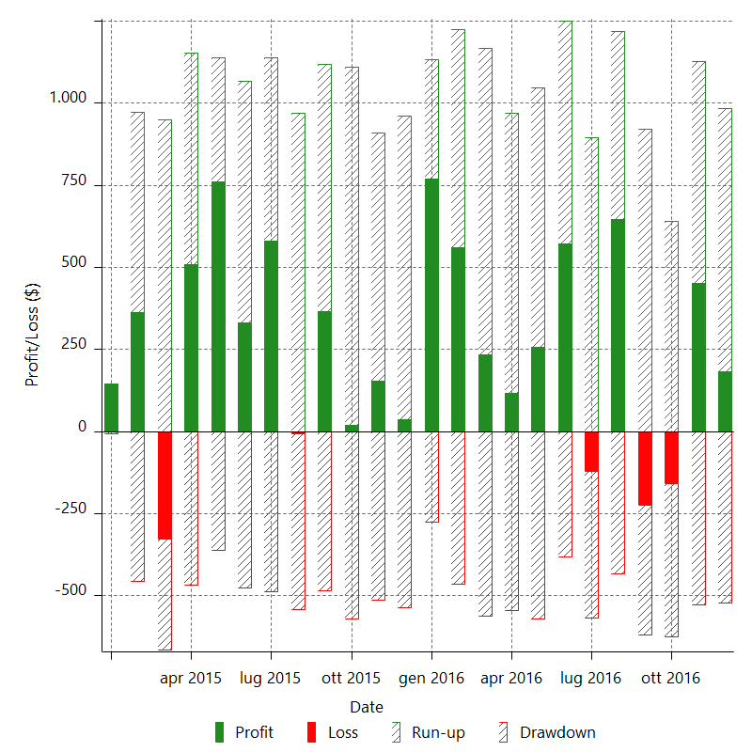

Monthly Returns & Drawdowns (%)

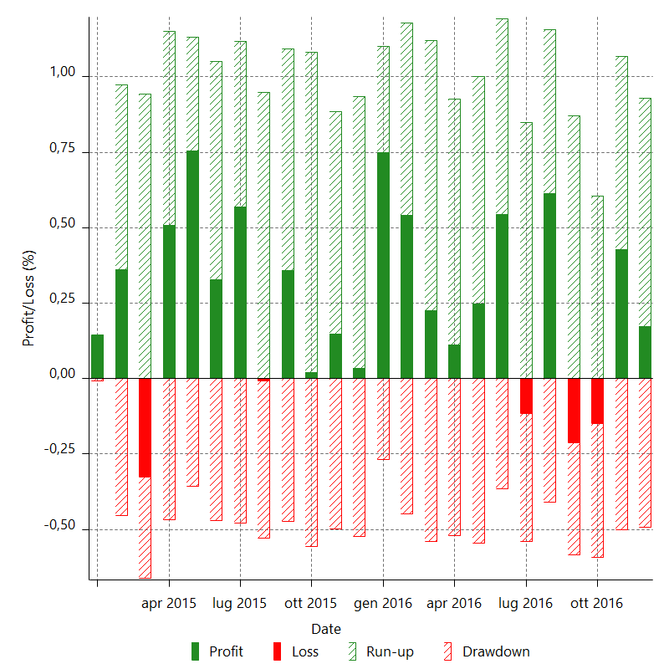

Monthly Accumulative Net Profit



Average Profit By Month

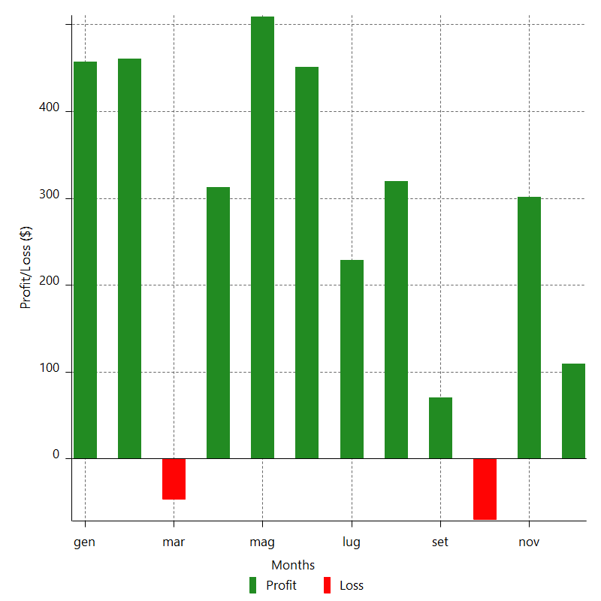

Annual Returns & Drawdowns

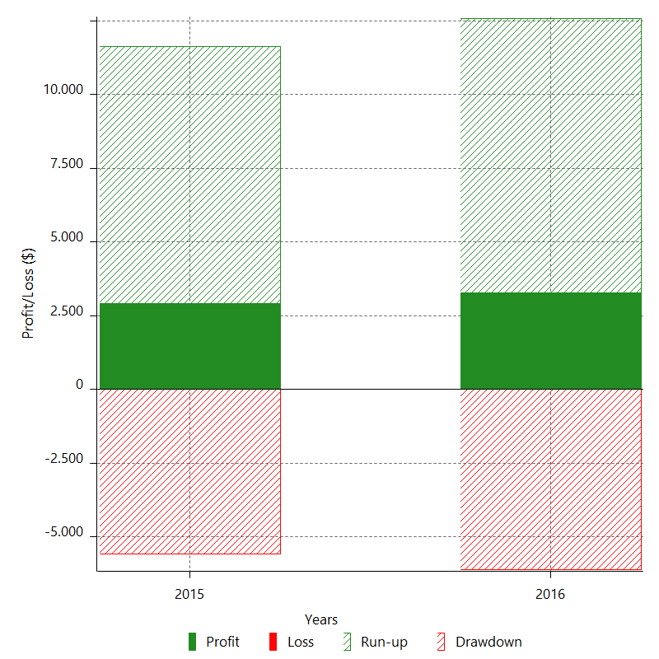

Annual Returns & Drawdowns (%)

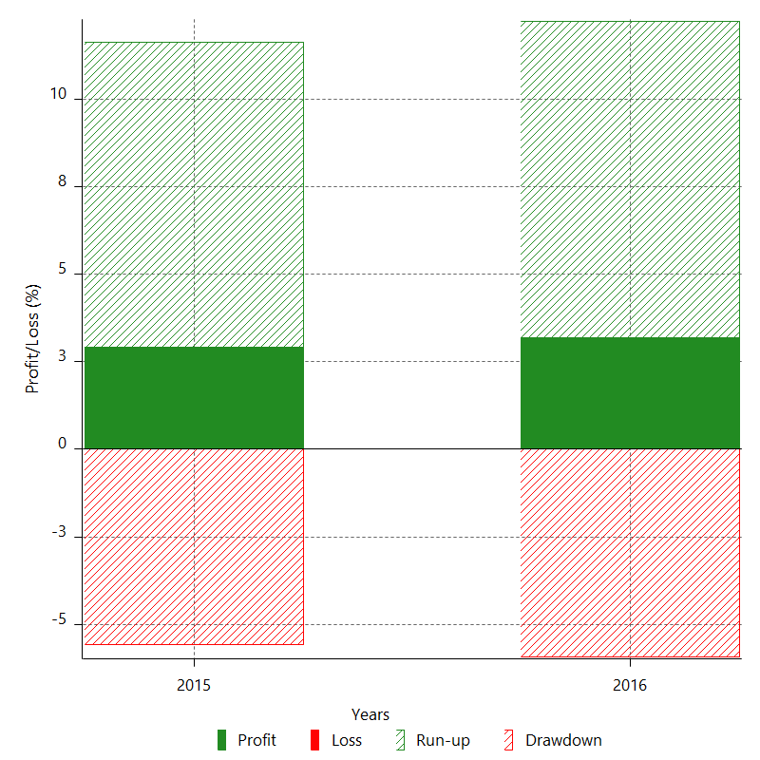

Annual Accumulative Net Profit

